Placards
LOCKOUT/TAGOUT PROCEDURE
[EN] Date: 2026-08-29 · Scan for digital placard
EQUIPMENT: SKPF-210 (Corn Meal Receiver - Cheese Puff) |  |  |  |  |  | Cheese Puff
KEEP OUT! HAZARDOUS VOLTAGE AND MOVING PARTS
PLACARD-OWNER 2026-05-13: SKPF-FEED-DOSING covers 3 subordinate(s).
PURPOSE |  |  |  |  | LOCKOUT APPLICATION PROCESS
This procedure establishes the minimum requirements for lockout of energy-isolating devices. It ensures equipment is stopped, isolated from all potentially hazardous energy sources, and locked out before any servicing or maintenance activities are performed. |  |  |  |  | 1. Communicate to all AFFECTED employees 2. Shut down the equipment using normal stopping procedures 3. Isolate energy sources 4. Apply lockout devices, locks, and tags 5. Release all stored energy 6. Verify equipment is de-energized by attempting to start up 7. After test, place controls in a neutral position

COLOR CODES
E = Electrical | G = Gas |  | H = Hydraulic | P = Pneumatic |  | M = Mechanical |  | T = Thermal
W = Water | S = Steam |  | V = Valve | CG = Compressed Gas |  | CP = Control Panel |  | GR = Gravity
EQUIPMENT IDENTIFICATION AND ENERGY ISOLATION PROCEDURE
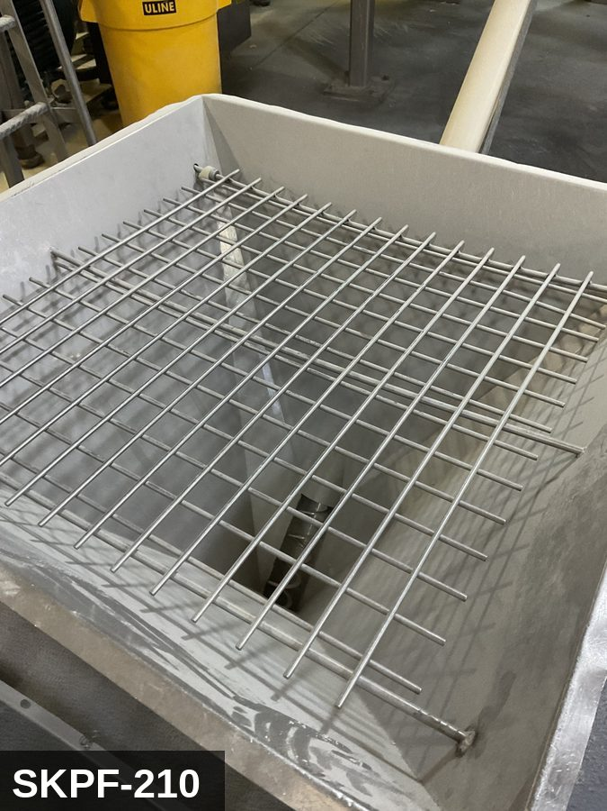 |  |  |  | 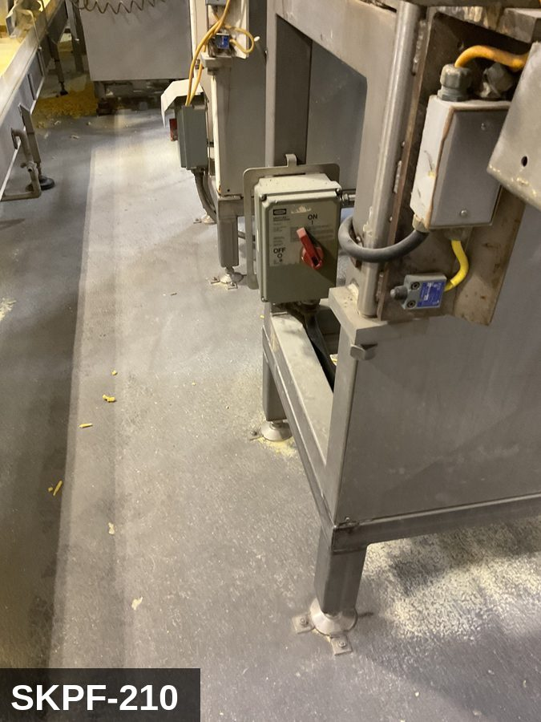

PHOTO OF EQUIPMENT |  |  |  | PHOTO OF ISOLATION / DISCONNECT
Energy Tag & Description | Isolation Procedure & Lockout Devices |  |  |  | Method of Verification
E — Electrical ISOLATE ENERGY TAG & DESCRIPTION — E: ELECTRICAL (E) — 208V/480V to level sensors, discharge-gate motor (if motorized), controls. Some hoppers also feed a small vibrator on the conical section. | ISOLATION PROCEDURE & LOCKOUT DEVICES — ELECTRICAL: 1. Notify all affected employees that LOTO is being performed on Corn Meal Receiver (SKPF-210). 2. Complete the current cycle and press STOP, then E-STOP. 3. Locate the main electrical disconnect serving this equipment (labeled to the equipment). 4. Open the disconnect to the OFF position. 5. Apply a lockout device through the disconnect handle. Each authorized worker applies their own personal padlock (group-lock hasp if more than one worker) per Cal/OSHA §3314(k). 6. Apply a lockout tag with date, time, name, and reason. 7. If the equipment uses servo drives or VFDs, allow 5 minutes for DC-bus capacitors to discharge before opening any drive enclosure. |  |  |  | METHOD OF VERIFICATION — ELECTRICAL: 1. Use a calibrated voltage tester following the test-before-touch protocol per OSHA 1910.333: test the meter on a known live source, test the disconnect line/load terminals, then re-test the meter on the known live source. 2. Verify zero voltage at the motor or servo terminals downstream of the disconnect. 3. For servo drives / VFDs: confirm DC-bus capacitors have discharged (5-minute minimum) before opening drive enclosure. 4. Attempt to start the equipment from the control panel and HMI — confirm no response. 5. Physically verify all padlocks are secure and lockout tags are legible.

P — Pneumatic ISOLATE ENERGY TAG & DESCRIPTION — P: (HOPPER_GRAVITY/P) — detail pending; populate in loto_templates.TAG_BODY. | ISOLATION PROCEDURE — PNEUMATIC: 1. After electrical isolation, locate the pneumatic supply isolation valve serving Corn Meal Receiver (SKPF-210) — typically wall-mounted at the equipment FRL. 2. Close the air supply valve fully. 3. Apply a ball-valve lockout device and a personal padlock in the CLOSED position. 4. Apply a lockout tag. 5. Bleed residual pressure from the system using the dedicated bleed port or by manually cycling the directional control valve. 6. Confirm all cylinders have moved to their de-energized rest position. 7. Per ASME B20.1, any vertically-acting cylinder supporting a load requires an independent mechanical drop-stop in addition to pneumatic isolation. |  |  |  | METHOD OF VERIFICATION — PNEUMATIC: 1. Verify the air supply isolation valve is closed and locked. 2. Confirm all pressure gauges downstream of the lockout valve read 0 PSI. 3. Attempt to cycle each pneumatic actuator from the control panel — confirm no movement. 4. Physically operate the manual override on the directional control valve — confirm no movement. 5. Physically verify all padlocks are secure and tags legible.

M — Mechanical ISOLATE ENERGY TAG & DESCRIPTION — M: MECHANICAL (M) — Discharge-gate actuator; vibrator on the cone (if fitted). Pinch points at the gate. | ISOLATION PROCEDURE — MECHANICAL: 1. After electrical isolation per the E procedure, manually verify all rotating/reciprocating components of Corn Meal Receiver (SKPF-210) have completely stopped. 2. Identify residual stored mechanical energy: chain tension, eccentric flywheel/cam momentum, spring-loaded covers and doors. 3. Block, chock, or pin any component that could move under its own weight or stored energy. 4. Where applicable install drive-shaft pins or transmission locks; release belt/chain tension before reaching past the guarding. 5. Apply a lockout tag at the point of mechanical work identifying the worker and the hazard. Cal/OSHA §3314 construes 'minor servicing' narrowly — default to full LOTO including mechanical blocking; do NOT rely solely on the electrical disconnect. |  |  |  | METHOD OF VERIFICATION — MECHANICAL: 1. Visually confirm all rotating and reciprocating components have completely stopped — full coast-down completed. 2. For high-speed servo equipment (case packers, palletizers): wait the manufacturer-specified coast-down before reaching past the guarding. 3. Attempt to manually rotate drive shafts at the input side or jog the system — confirm no movement or kickback. 4. Physically inspect blocks, chocks, or pins for engagement. 5. Confirm belt/chain tension has been released where applicable.

LOCKOUT REMOVAL PROCESS
1. Notify all AFFECTED employees that lockout is being removed 2. Inspect the work area to ensure tools and items have been removed 3. Verify that all employees are clear of the equipment 4. Verify that controls are in the neutral or off position |  |  |  | 5. Remove lockout devices, locks, and tags 6. Re-energize the equipment 7. Notify all AFFECTED employees that the equipment is back in service

Spanish translation on reverse — print double-sided.
Signature |  | Date |  | Dept |  |  | See PM Store in PT Folder

PROCEDIMIENTO DE BLOQUEO/ETIQUETADO
[ES] Fecha: 2026-08-29 · Escanee para placa digital
BORRADOR — NO REVISADO · traducción sin revisar
EQUIPO: SKPF-210 (Corn Meal Receiver - Cheese Puff) |  |  |  |  |  | Cheese Puff
¡MANTÉNGASE ALEJADO! VOLTAJE PELIGROSO Y PIEZAS EN MOVIMIENTO
PLACARD-OWNER 2026-05-13: SKPF-FEED-DOSING covers 3 subordinate(s).
PROPÓSITO |  |  |  |  | PROCESO DE APLICACIÓN DE BLOQUEO
Este procedimiento establece los requisitos mínimos para el bloqueo de los dispositivos de aislamiento de energía. Garantiza que el equipo se detenga, se aísle de todas las fuentes de energía potencialmente peligrosas y se bloquee antes de realizar actividades de servicio o mantenimiento. |  |  |  |  | 1. Comunicar a todos los empleados AFECTADOS 2. Apagar el equipo usando procedimientos normales de parada 3. Aislar las fuentes de energía 4. Aplicar dispositivos de bloqueo, candados y etiquetas 5. Liberar toda la energía almacenada 6. Verificar que el equipo esté desenergizado intentando arrancarlo 7. Después de la prueba, colocar los controles en posición neutral

CÓDIGOS DE COLOR
E = Eléctrico | G = Gas |  | H = Hidráulico | P = Neumático |  | M = Mecánico |  | T = Térmico
W = Agua | S = Vapor |  | V = Válvula | CG = Gas Comprimido |  | CP = Panel Control |  | GR = Gravedad
IDENTIFICACIÓN DEL EQUIPO Y PROCEDIMIENTO DE AISLAMIENTO DE ENERGÍA

FOTO DEL EQUIPO |  |  |  | FOTO DE AISLAMIENTO / DESCONEXIÓN
Etiqueta y Descripción | Procedimiento de Aislamiento y Dispositivos |  |  |  | Método de Verificación
E — Eléctrico AISLAR ETIQUETA DE ENERGÍA Y DESCRIPCIÓN — E: ELÉCTRICO (E) — 208V/480V a sensores de nivel, motor de compuerta de descarga (si está motorizado), controles. Algunas tolvas también alimentan un vibrador pequeño en la sección cónica. | PROCEDIMIENTO DE AISLAMIENTO Y DISPOSITIVOS DE BLOQUEO — ELÉCTRICO: 1. Notifique a todos los empleados afectados que se está realizando LOTO en Corn Meal Receiver (SKPF-210). 2. Complete el ciclo actual y presione PARO, luego PARO DE EMERGENCIA. 3. Localice el desconectador eléctrico principal que sirve este equipo (etiquetado al equipo). 4. Abra el desconectador a la posición OFF. 5. Aplique un dispositivo de bloqueo a través de la manija del desconectador. Cada trabajador autorizado aplica su propio candado personal (broche de candado grupal si hay más de un trabajador) per Cal/OSHA §3314(k). 6. Aplique etiqueta de bloqueo con fecha, hora, nombre y razón. 7. Si el equipo usa servo-drives o VFDs, permita 5 minutos para que los capacitores del bus DC se descarguen antes de abrir cualquier gabinete de drive. |  |  |  | MÉTODO DE VERIFICACIÓN — ELÉCTRICO: 1. Use un comprobador de voltaje calibrado siguiendo el protocolo "probar antes de tocar" per OSHA 1910.333: pruebe el medidor en una fuente viva conocida, pruebe los terminales de línea/carga del desconectador, luego re-pruebe el medidor en la fuente viva conocida. 2. Verifique cero voltaje en los terminales del motor o servo aguas abajo del desconectador. 3. Para servo-drives / VFDs: confirme que los capacitores del bus DC se han descargado (5 minutos mínimo) antes de abrir el gabinete del drive. 4. Intente arrancar el equipo desde el panel de control y HMI — confirme que no hay respuesta. 5. Verifique físicamente que todos los candados estén seguros y las etiquetas de bloqueo sean legibles.

P — Neumático AISLAR ETIQUETA DE ENERGÍA Y DESCRIPCIÓN — P: (HOPPER_GRAVITY/P) — detalle pendiente; complete en loto_templates_es.TAG_BODY_ES. | PROCEDIMIENTO DE AISLAMIENTO — NEUMÁTICO: 1. Después del aislamiento eléctrico, localice la válvula de aislamiento del suministro neumático que sirve a Corn Meal Receiver (SKPF-210) — típicamente montada en pared en el FRL del equipo. 2. Cierre la válvula de suministro de aire por completo. 3. Aplique un dispositivo de bloqueo de válvula de bola y un candado personal en la posición CERRADA. 4. Aplique etiqueta de bloqueo. 5. Purgue la presión residual del sistema usando el puerto de purga dedicado o ciclando manualmente la válvula direccional de control. 6. Confirme que todos los cilindros se han movido a su posición de reposo desenergizado. 7. Per ASME B20.1, cualquier cilindro de acción vertical que soporta una carga requiere un tope mecánico anti-caída independiente además del aislamiento neumático. |  |  |  | MÉTODO DE VERIFICACIÓN — NEUMÁTICO: 1. Verifique que la válvula de aislamiento de suministro de aire está cerrada y bloqueada. 2. Confirme que todos los manómetros aguas abajo de la válvula de bloqueo marcan 0 PSI. 3. Intente ciclar cada actuador neumático desde el panel de control — confirme que no hay movimiento. 4. Opere físicamente la anulación manual en la válvula direccional de control — confirme que no hay movimiento. 5. Verifique físicamente que todos los candados estén seguros y las etiquetas sean legibles.

M — Mecánico AISLAR ETIQUETA DE ENERGÍA Y DESCRIPCIÓN — M: MECÁNICO (M) — Actuador de compuerta de descarga; vibrador en el cono (si está equipado). Puntos de pellizco en la compuerta. | PROCEDIMIENTO DE AISLAMIENTO — MECÁNICO: 1. Después del aislamiento eléctrico per el procedimiento E, verifique manualmente que todos los componentes rotativos/reciprocantes de Corn Meal Receiver (SKPF-210) hayan parado completamente. 2. Identifique energía mecánica almacenada residual: tensión de cadena, inercia excéntrica de volante/leva, cubiertas y puertas accionadas por resorte. 3. Bloquee, calce o pase pasadores a cualquier componente que pudiera moverse por su propio peso o energía almacenada. 4. Donde aplique, instale pasadores en el eje de impulsión o bloqueos de transmisión; libere la tensión de banda/cadena antes de alcanzar más allá del guardado. 5. Aplique etiqueta de bloqueo en el punto de trabajo mecánico identificando al trabajador y al peligro. Cal/OSHA §3314 interpreta la excepción de "servicio menor" en forma estrecha — por defecto LOTO completo incluyendo bloqueo mecánico; NO confíe únicamente en el desconectador eléctrico. |  |  |  | MÉTODO DE VERIFICACIÓN — MECÁNICO: 1. Confirme visualmente que todos los componentes rotativos y reciprocantes han parado por completo — desaceleración completa concluida. 2. Para equipo servo de alta velocidad (empacadoras de cajas, paletizadores): espere la desaceleración especificada por el fabricante antes de alcanzar más allá del guardado. 3. Intente girar manualmente los ejes de impulsión en el lado de entrada o impulsar el sistema — confirme que no hay movimiento ni retroceso. 4. Inspeccione físicamente los bloques, calzas o pasadores en su acoplamiento. 5. Confirme que la tensión de banda/cadena ha sido liberada donde aplique.

PROCESO DE REMOCIÓN DE BLOQUEO
1. Notificar a todos los empleados AFECTADOS que se está retirando el bloqueo 2. Inspeccionar el área de trabajo para asegurar que se hayan retirado herramientas y objetos 3. Verificar que todos los empleados estén lejos del equipo 4. Verificar que los controles estén en posición neutral o apagada |  |  |  | 5. Retirar los dispositivos de bloqueo, candados y etiquetas 6. Volver a energizar el equipo 7. Notificar a los empleados AFECTADOS que el equipo está de vuelta en servicio

Traducción al inglés al reverso — imprimir a doble cara.
Firma |  | Fecha |  | Depto |  |  | Ver PM Store en carpeta PT

LOCKOUT/TAGOUT PROCEDURE
[EN] Date: 2026-08-29 · Scan for digital placard
EQUIPMENT: SKPF-220 (Mixer - Cheese Puff) |  |  |  |  |  | Cheese Puff
KEEP OUT! HAZARDOUS VOLTAGE AND MOVING PARTS
This equipment must be locked out and tagged out before servicing or maintenance. Follow the procedure below to isolate all energy sources.
PURPOSE |  |  |  |  | LOCKOUT APPLICATION PROCESS
This procedure establishes the minimum requirements for lockout of energy-isolating devices. It ensures equipment is stopped, isolated from all potentially hazardous energy sources, and locked out before any servicing or maintenance activities are performed. |  |  |  |  | 1. Communicate to all AFFECTED employees 2. Shut down the equipment using normal stopping procedures 3. Isolate energy sources 4. Apply lockout devices, locks, and tags 5. Release all stored energy 6. Verify equipment is de-energized by attempting to start up 7. After test, place controls in a neutral position

COLOR CODES
E = Electrical | G = Gas |  | H = Hydraulic | P = Pneumatic |  | M = Mechanical |  | T = Thermal
W = Water | S = Steam |  | V = Valve | CG = Compressed Gas |  | CP = Control Panel |  | GR = Gravity
EQUIPMENT IDENTIFICATION AND ENERGY ISOLATION PROCEDURE
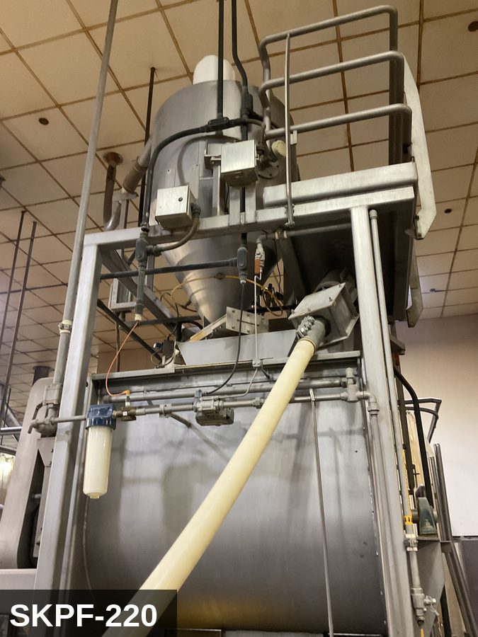 |  |  |  | 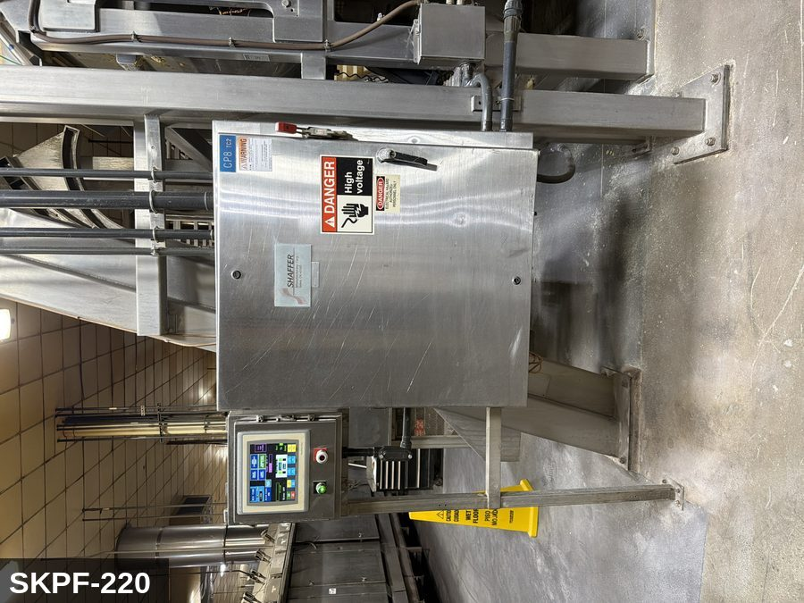

PHOTO OF EQUIPMENT |  |  |  | PHOTO OF ISOLATION / DISCONNECT
Energy Tag & Description | Isolation Procedure & Lockout Devices |  |  |  | Method of Verification
P — Pneumatic ISOLATE ENERGY TAG & DESCRIPTION — P: PNEUMATIC (P) — 80-100 PSI to discharge-gate or cover-clamp cylinders (where fitted). Stored energy in cylinders. | ISOLATION PROCEDURE — PNEUMATIC: 1. After electrical isolation, locate the pneumatic supply isolation valve serving Cheese Puff Mixer (SKPF-220) — typically wall-mounted at the equipment FRL. 2. Close the air supply valve fully. 3. Apply a ball-valve lockout device and a personal padlock in the CLOSED position. 4. Apply a lockout tag. 5. Bleed residual pressure from the system using the dedicated bleed port or by manually cycling the directional control valve. 6. Confirm all cylinders have moved to their de-energized rest position. 7. Per ASME B20.1, any vertically-acting cylinder supporting a load requires an independent mechanical drop-stop in addition to pneumatic isolation. |  |  |  | METHOD OF VERIFICATION — PNEUMATIC: 1. Verify the air supply isolation valve is closed and locked. 2. Confirm all pressure gauges downstream of the lockout valve read 0 PSI. 3. Attempt to cycle each pneumatic actuator from the control panel — confirm no movement. 4. Physically operate the manual override on the directional control valve — confirm no movement. 5. Physically verify all padlocks are secure and tags legible.

E — Electrical ISOLATE ENERGY TAG & DESCRIPTION — E: ELECTRICAL (E) — 208V/480V three-phase to mixer drive motor, gearbox, hydraulic lift pump (if cover lift), controls. | ISOLATION PROCEDURE & LOCKOUT DEVICES — ELECTRICAL: 1. Notify all affected employees that LOTO is being performed on Cheese Puff Mixer (SKPF-220). 2. Complete the current cycle and press STOP, then E-STOP. 3. Locate the main electrical disconnect serving this equipment (labeled to the equipment). 4. Open the disconnect to the OFF position. 5. Apply a lockout device through the disconnect handle. Each authorized worker applies their own personal padlock (group-lock hasp if more than one worker) per Cal/OSHA §3314(k). 6. Apply a lockout tag with date, time, name, and reason. 7. If the equipment uses servo drives or VFDs, allow 5 minutes for DC-bus capacitors to discharge before opening any drive enclosure. |  |  |  | METHOD OF VERIFICATION — ELECTRICAL: 1. Use a calibrated voltage tester following the test-before-touch protocol per OSHA 1910.333: test the meter on a known live source, test the disconnect line/load terminals, then re-test the meter on the known live source. 2. Verify zero voltage at the motor or servo terminals downstream of the disconnect. 3. For servo drives / VFDs: confirm DC-bus capacitors have discharged (5-minute minimum) before opening drive enclosure. 4. Attempt to start the equipment from the control panel and HMI — confirm no response. 5. Physically verify all padlocks are secure and lockout tags are legible.

M — Mechanical ISOLATE ENERGY TAG & DESCRIPTION — M: MECHANICAL (M) — Horizontal agitator shaft / paddles. Severe entanglement hazard inside the bowl. Hydraulic-lifted cover with stored gravity load. Significant rotating inertia — 30-60 sec coast-down after E-stop. | ISOLATION PROCEDURE — MECHANICAL: 1. After electrical isolation per the E procedure, manually verify all rotating/reciprocating components of Cheese Puff Mixer (SKPF-220) have completely stopped. 2. Identify residual stored mechanical energy: chain tension, eccentric flywheel/cam momentum, spring-loaded covers and doors. 3. Block, chock, or pin any component that could move under its own weight or stored energy. 4. Where applicable install drive-shaft pins or transmission locks; release belt/chain tension before reaching past the guarding. 5. Apply a lockout tag at the point of mechanical work identifying the worker and the hazard. Cal/OSHA §3314 construes 'minor servicing' narrowly — default to full LOTO including mechanical blocking; do NOT rely solely on the electrical disconnect. |  |  |  | METHOD OF VERIFICATION — MECHANICAL: 1. Visually confirm all rotating and reciprocating components have completely stopped — full coast-down completed. 2. For high-speed servo equipment (case packers, palletizers): wait the manufacturer-specified coast-down before reaching past the guarding. 3. Attempt to manually rotate drive shafts at the input side or jog the system — confirm no movement or kickback. 4. Physically inspect blocks, chocks, or pins for engagement. 5. Confirm belt/chain tension has been released where applicable.

LOCKOUT REMOVAL PROCESS
1. Notify all AFFECTED employees that lockout is being removed 2. Inspect the work area to ensure tools and items have been removed 3. Verify that all employees are clear of the equipment 4. Verify that controls are in the neutral or off position |  |  |  | 5. Remove lockout devices, locks, and tags 6. Re-energize the equipment 7. Notify all AFFECTED employees that the equipment is back in service

Spanish translation on reverse — print double-sided.
Signature |  | Date |  | Dept |  |  | See PM Store in PT Folder

PROCEDIMIENTO DE BLOQUEO/ETIQUETADO
[ES] Fecha: 2026-08-29 · Escanee para placa digital
BORRADOR — NO REVISADO · traducción sin revisar
EQUIPO: SKPF-220 (Mixer - Cheese Puff) |  |  |  |  |  | Cheese Puff
¡MANTÉNGASE ALEJADO! VOLTAJE PELIGROSO Y PIEZAS EN MOVIMIENTO
Este equipo debe bloquearse y etiquetarse antes de darle servicio o mantenimiento. Siga el procedimiento a continuación para aislar todas las fuentes de energía.
PROPÓSITO |  |  |  |  | PROCESO DE APLICACIÓN DE BLOQUEO
Este procedimiento establece los requisitos mínimos para el bloqueo de los dispositivos de aislamiento de energía. Garantiza que el equipo se detenga, se aísle de todas las fuentes de energía potencialmente peligrosas y se bloquee antes de realizar actividades de servicio o mantenimiento. |  |  |  |  | 1. Comunicar a todos los empleados AFECTADOS 2. Apagar el equipo usando procedimientos normales de parada 3. Aislar las fuentes de energía 4. Aplicar dispositivos de bloqueo, candados y etiquetas 5. Liberar toda la energía almacenada 6. Verificar que el equipo esté desenergizado intentando arrancarlo 7. Después de la prueba, colocar los controles en posición neutral

CÓDIGOS DE COLOR
E = Eléctrico | G = Gas |  | H = Hidráulico | P = Neumático |  | M = Mecánico |  | T = Térmico
W = Agua | S = Vapor |  | V = Válvula | CG = Gas Comprimido |  | CP = Panel Control |  | GR = Gravedad
IDENTIFICACIÓN DEL EQUIPO Y PROCEDIMIENTO DE AISLAMIENTO DE ENERGÍA

FOTO DEL EQUIPO |  |  |  | FOTO DE AISLAMIENTO / DESCONEXIÓN
Etiqueta y Descripción | Procedimiento de Aislamiento y Dispositivos |  |  |  | Método de Verificación
P — Neumático AISLAR ETIQUETA DE ENERGÍA Y DESCRIPCIÓN — P: NEUMÁTICO (P) — 80-100 PSI a los cilindros de la compuerta de descarga o la abrazadera de la tapa (cuando está equipado). Energía almacenada en cilindros. | PROCEDIMIENTO DE AISLAMIENTO — NEUMÁTICO: 1. Después del aislamiento eléctrico, localice la válvula de aislamiento del suministro neumático que sirve a Cheese Puff Mixer (SKPF-220) — típicamente montada en pared en el FRL del equipo. 2. Cierre la válvula de suministro de aire por completo. 3. Aplique un dispositivo de bloqueo de válvula de bola y un candado personal en la posición CERRADA. 4. Aplique etiqueta de bloqueo. 5. Purgue la presión residual del sistema usando el puerto de purga dedicado o ciclando manualmente la válvula direccional de control. 6. Confirme que todos los cilindros se han movido a su posición de reposo desenergizado. 7. Per ASME B20.1, cualquier cilindro de acción vertical que soporta una carga requiere un tope mecánico anti-caída independiente además del aislamiento neumático. |  |  |  | MÉTODO DE VERIFICACIÓN — NEUMÁTICO: 1. Verifique que la válvula de aislamiento de suministro de aire está cerrada y bloqueada. 2. Confirme que todos los manómetros aguas abajo de la válvula de bloqueo marcan 0 PSI. 3. Intente ciclar cada actuador neumático desde el panel de control — confirme que no hay movimiento. 4. Opere físicamente la anulación manual en la válvula direccional de control — confirme que no hay movimiento. 5. Verifique físicamente que todos los candados estén seguros y las etiquetas sean legibles.

E — Eléctrico AISLAR ETIQUETA DE ENERGÍA Y DESCRIPCIÓN — E: ELÉCTRICO (E) — 208V/480V trifásico al motor del mezclador, caja reductora, bomba hidráulica del elevador (si tiene tapa elevada), controles. | PROCEDIMIENTO DE AISLAMIENTO Y DISPOSITIVOS DE BLOQUEO — ELÉCTRICO: 1. Notifique a todos los empleados afectados que se está realizando LOTO en Cheese Puff Mixer (SKPF-220). 2. Complete el ciclo actual y presione PARO, luego PARO DE EMERGENCIA. 3. Localice el desconectador eléctrico principal que sirve este equipo (etiquetado al equipo). 4. Abra el desconectador a la posición OFF. 5. Aplique un dispositivo de bloqueo a través de la manija del desconectador. Cada trabajador autorizado aplica su propio candado personal (broche de candado grupal si hay más de un trabajador) per Cal/OSHA §3314(k). 6. Aplique etiqueta de bloqueo con fecha, hora, nombre y razón. 7. Si el equipo usa servo-drives o VFDs, permita 5 minutos para que los capacitores del bus DC se descarguen antes de abrir cualquier gabinete de drive. |  |  |  | MÉTODO DE VERIFICACIÓN — ELÉCTRICO: 1. Use un comprobador de voltaje calibrado siguiendo el protocolo "probar antes de tocar" per OSHA 1910.333: pruebe el medidor en una fuente viva conocida, pruebe los terminales de línea/carga del desconectador, luego re-pruebe el medidor en la fuente viva conocida. 2. Verifique cero voltaje en los terminales del motor o servo aguas abajo del desconectador. 3. Para servo-drives / VFDs: confirme que los capacitores del bus DC se han descargado (5 minutos mínimo) antes de abrir el gabinete del drive. 4. Intente arrancar el equipo desde el panel de control y HMI — confirme que no hay respuesta. 5. Verifique físicamente que todos los candados estén seguros y las etiquetas de bloqueo sean legibles.

M — Mecánico AISLAR ETIQUETA DE ENERGÍA Y DESCRIPCIÓN — M: MECÁNICO (M) — Eje agitador horizontal / paletas. Peligro severo de atrapamiento dentro del tazón. Tapa elevada hidráulicamente con carga de gravedad almacenada. Inercia rotacional significativa — 30-60 seg de desaceleración después de paro de emergencia. | PROCEDIMIENTO DE AISLAMIENTO — MECÁNICO: 1. Después del aislamiento eléctrico per el procedimiento E, verifique manualmente que todos los componentes rotativos/reciprocantes de Cheese Puff Mixer (SKPF-220) hayan parado completamente. 2. Identifique energía mecánica almacenada residual: tensión de cadena, inercia excéntrica de volante/leva, cubiertas y puertas accionadas por resorte. 3. Bloquee, calce o pase pasadores a cualquier componente que pudiera moverse por su propio peso o energía almacenada. 4. Donde aplique, instale pasadores en el eje de impulsión o bloqueos de transmisión; libere la tensión de banda/cadena antes de alcanzar más allá del guardado. 5. Aplique etiqueta de bloqueo en el punto de trabajo mecánico identificando al trabajador y al peligro. Cal/OSHA §3314 interpreta la excepción de "servicio menor" en forma estrecha — por defecto LOTO completo incluyendo bloqueo mecánico; NO confíe únicamente en el desconectador eléctrico. |  |  |  | MÉTODO DE VERIFICACIÓN — MECÁNICO: 1. Confirme visualmente que todos los componentes rotativos y reciprocantes han parado por completo — desaceleración completa concluida. 2. Para equipo servo de alta velocidad (empacadoras de cajas, paletizadores): espere la desaceleración especificada por el fabricante antes de alcanzar más allá del guardado. 3. Intente girar manualmente los ejes de impulsión en el lado de entrada o impulsar el sistema — confirme que no hay movimiento ni retroceso. 4. Inspeccione físicamente los bloques, calzas o pasadores en su acoplamiento. 5. Confirme que la tensión de banda/cadena ha sido liberada donde aplique.

PROCESO DE REMOCIÓN DE BLOQUEO
1. Notificar a todos los empleados AFECTADOS que se está retirando el bloqueo 2. Inspeccionar el área de trabajo para asegurar que se hayan retirado herramientas y objetos 3. Verificar que todos los empleados estén lejos del equipo 4. Verificar que los controles estén en posición neutral o apagada |  |  |  | 5. Retirar los dispositivos de bloqueo, candados y etiquetas 6. Volver a energizar el equipo 7. Notificar a los empleados AFECTADOS que el equipo está de vuelta en servicio

Traducción al inglés al reverso — imprimir a doble cara.
Firma |  | Fecha |  | Depto |  |  | Ver PM Store en carpeta PT

LOCKOUT/TAGOUT PROCEDURE
[EN] Date: 2026-08-29 · Scan for digital placard
EQUIPMENT: SKPF-500 (Wenger Extruder 1 - Cheese Puff) |  |  |  |  |  | Cheese Puff
KEEP OUT! HAZARDOUS VOLTAGE AND MOVING PARTS
PHOTO_UPGRADE 2026-05-13: EQ upgraded from generic SKPF-EXTRUDER-EQ to machine-specific SKPF_EXT1_IMG_0422 (Wenger Extruder 1 photo from storage).
PURPOSE |  |  |  |  | LOCKOUT APPLICATION PROCESS
This procedure establishes the minimum requirements for lockout of energy-isolating devices. It ensures equipment is stopped, isolated from all potentially hazardous energy sources, and locked out before any servicing or maintenance activities are performed. |  |  |  |  | 1. Communicate to all AFFECTED employees 2. Shut down the equipment using normal stopping procedures 3. Isolate energy sources 4. Apply lockout devices, locks, and tags 5. Release all stored energy 6. Verify equipment is de-energized by attempting to start up 7. After test, place controls in a neutral position

COLOR CODES
E = Electrical | G = Gas |  | H = Hydraulic | P = Pneumatic |  | M = Mechanical |  | T = Thermal
W = Water | S = Steam |  | V = Valve | CG = Compressed Gas |  | CP = Control Panel |  | GR = Gravity
EQUIPMENT IDENTIFICATION AND ENERGY ISOLATION PROCEDURE
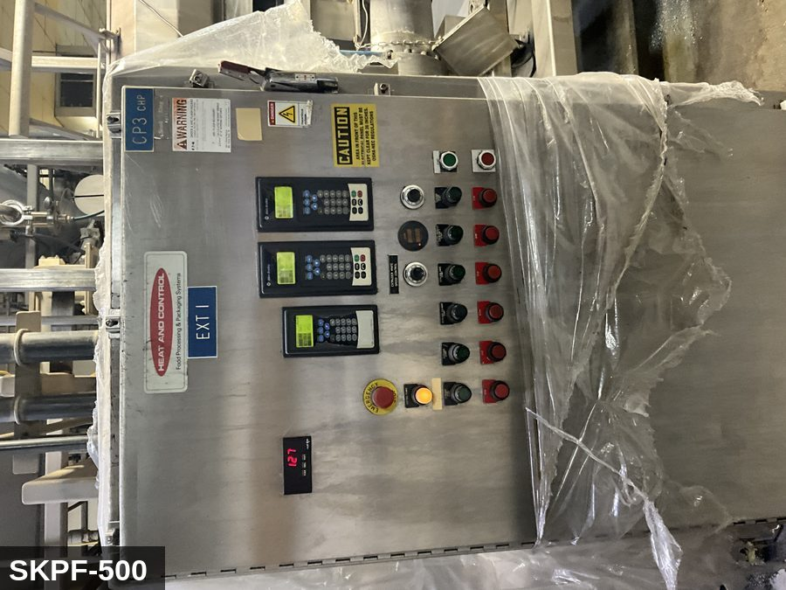 |  |  |  | 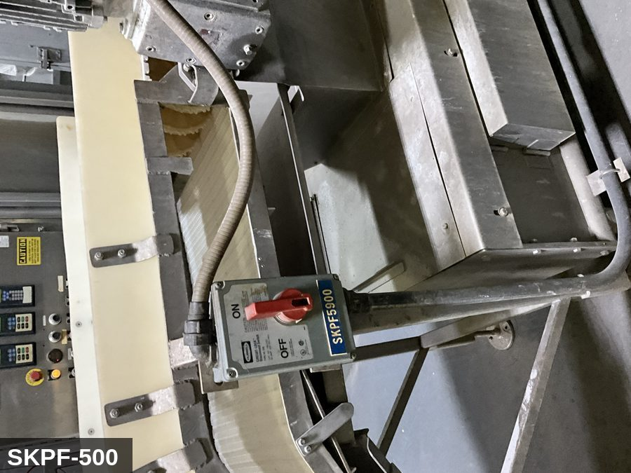

PHOTO OF EQUIPMENT |  |  |  | PHOTO OF ISOLATION / DISCONNECT
Energy Tag & Description | Isolation Procedure & Lockout Devices |  |  |  | Method of Verification
E — Electrical ISOLATE ELECTRICAL (E) — Wenger TX/Magnum ST twin-screw extruder. Main drive 480 VAC 3Φ, 100–300 HP (verify on nameplate). Barrel-heater zones 480 VAC band heaters. Controls 120 VAC / 24 VDC. VFD-fed drive — DC-bus capacitors retain lethal charge ≥5–15 min after disconnect. | ISOLATION PROCEDURE — ELECTRICAL (Wenger TX-series, SKPF-500): 1. Notify all affected employees that LOTO is being performed on SKPF-500. 2. Press STOP, then E-STOP at HMI. Allow main drive to coast to zero. 3. Open the MAIN drive disconnect at the Cheese Puff MCC panel labeled SKPF-500. Apply personal padlock + group hasp + tag. 4. Open and lock each BARREL-HEATER ZONE branch breaker. 5. Open and lock the CUTTER-MOTOR branch breaker — note this is separate from the main drive. 6. Open and lock the CONTROL-PANEL disconnect. 7. Wait ≥15 minutes for VFD DC-bus capacitors to discharge (use drive nameplate value if greater). |  |  |  | METHOD OF VERIFICATION — ELECTRICAL: 1. Test-before-touch per OSHA 1910.333: meter on known live → disconnect line/load → meter on known live. 2. Verify zero voltage at motor terminals downstream of disconnect. 3. Meter VFD DC-bus: must read <50 V at DC+/DC- terminals before opening drive enclosure. 4. Attempt start at HMI — confirm no response. 5. Verify each padlock secure and tag legible.

M — Mechanical ISOLATE MECHANICAL (M) — Twin co-rotating screws inside segmented jacketed barrel. Discharge die with rotating CUTTER HUB carrying 4–18 sharp knife blades. EXTREME entanglement + laceration hazard. Cutter hub can rotate from residual product pressure even after electrical isolation. Barrel surface 150–200 °C. | ISOLATION PROCEDURE — MECHANICAL (Wenger die-face cutter, SKPF-500): 1. After electrical isolation per the E procedure, manually verify both screws have stopped. 2. Bar-over the screw input coupling to confirm zero rotation. 3. Before opening the die guard: physically restrain the cutter hub with the manufacturer's lockout pin or equivalent. DO NOT rely on the cutter-motor electrical lockout alone. 4. Allow barrel and die surfaces to cool to <60 °C; verify by IR thermometer before contact. 5. Apply mechanical-isolation tag at the cutter hub. |  |  |  | METHOD OF VERIFICATION — MECHANICAL: 1. Visually confirm both screws and cutter hub are stationary. 2. Inspect cutter-hub restraint pin engagement. 3. Confirm barrel and die surface <60 °C by IR thermometer before contact. 4. Attempt to manually rotate the cutter — confirm no movement.

P — Pneumatic ISOLATE PNEUMATIC (P) — 80–100 psig to gas-train, dampers, and any feed/discharge actuators. | ISOLATION PROCEDURE — PNEUMATIC: 1. After electrical isolation, locate the pneumatic supply ball valve at the SKPF-500 equipment FRL. 2. Close fully (handle perpendicular to pipe). 3. Apply ball-valve lockout + personal padlock + tag. 4. Vent downstream to 0 psig via the quick-exhaust on the manifold. |  |  |  | METHOD OF VERIFICATION — PNEUMATIC: 1. Verify air supply valve closed and locked. 2. Pressure gauge downstream of the FRL reads 0 psig. 3. Attempt to cycle any pneumatic actuator from the HMI — confirm no movement.

H — Hydraulic ISOLATE STEAM & WATER (H) — Direct-steam injection up to ~150 psig saturated (Wenger thermal-twin configuration). Cooling-water jacket 60–80 psig. Captured under H since Soteria schema uses E/M/P/G/H/CG. | ISOLATION PROCEDURE — STEAM & WATER (Wenger thermal injection + jacket): 1. Close and lock the STEAM block valve in the barrel-injection line. Open the downstream bleed/drain to atmosphere until 0 psig at the injection-line gauge. 2. Close and lock the COOLING-WATER supply valve. Open the jacket drain until water flow stops. 3. Allow barrel surface temperature to fall to <60 °C before any disassembly. |  |  |  | METHOD OF VERIFICATION — STEAM & WATER: 1. Steam-line pressure gauge reads 0 psig. 2. Cooling-jacket drain shows no water flow. 3. Barrel surface temperature <60 °C by IR thermometer.

LOCKOUT REMOVAL PROCESS
1. Notify all AFFECTED employees that lockout is being removed 2. Inspect the work area to ensure tools and items have been removed 3. Verify that all employees are clear of the equipment 4. Verify that controls are in the neutral or off position |  |  |  | 5. Remove lockout devices, locks, and tags 6. Re-energize the equipment 7. Notify all AFFECTED employees that the equipment is back in service

Spanish translation on reverse — print double-sided.
Signature |  | Date |  | Dept |  |  | See PM Store in PT Folder

PROCEDIMIENTO DE BLOQUEO/ETIQUETADO
[ES] Fecha: 2026-08-29 · Escanee para placa digital
BORRADOR — NO REVISADO · traducción sin revisar
EQUIPO: SKPF-500 (Wenger Extruder 1 - Cheese Puff) |  |  |  |  |  | Cheese Puff
¡MANTÉNGASE ALEJADO! VOLTAJE PELIGROSO Y PIEZAS EN MOVIMIENTO
PHOTO_UPGRADE 2026-05-13: EQ upgraded from generic SKPF-EXTRUDER-EQ to machine-specific SKPF_EXT1_IMG_0422 (Wenger Extruder 1 photo from storage).
PROPÓSITO |  |  |  |  | PROCESO DE APLICACIÓN DE BLOQUEO
Este procedimiento establece los requisitos mínimos para el bloqueo de los dispositivos de aislamiento de energía. Garantiza que el equipo se detenga, se aísle de todas las fuentes de energía potencialmente peligrosas y se bloquee antes de realizar actividades de servicio o mantenimiento. |  |  |  |  | 1. Comunicar a todos los empleados AFECTADOS 2. Apagar el equipo usando procedimientos normales de parada 3. Aislar las fuentes de energía 4. Aplicar dispositivos de bloqueo, candados y etiquetas 5. Liberar toda la energía almacenada 6. Verificar que el equipo esté desenergizado intentando arrancarlo 7. Después de la prueba, colocar los controles en posición neutral

CÓDIGOS DE COLOR
E = Eléctrico | G = Gas |  | H = Hidráulico | P = Neumático |  | M = Mecánico |  | T = Térmico
W = Agua | S = Vapor |  | V = Válvula | CG = Gas Comprimido |  | CP = Panel Control |  | GR = Gravedad
IDENTIFICACIÓN DEL EQUIPO Y PROCEDIMIENTO DE AISLAMIENTO DE ENERGÍA

FOTO DEL EQUIPO |  |  |  | FOTO DE AISLAMIENTO / DESCONEXIÓN
Etiqueta y Descripción | Procedimiento de Aislamiento y Dispositivos |  |  |  | Método de Verificación
E — Eléctrico AISLAR ELECTRICAL (E) — Wenger TX/Magnum ST twin-screw extruder. Main drive 480 VAC 3Φ, 100–300 HP (verify on nameplate). Barrel-heater zones 480 VAC band heaters. Controls 120 VAC / 24 VDC. VFD-fed drive — DC-bus capacitors retain lethal charge ≥5–15 min after disconnect. | ISOLATION PROCEDURE — ELECTRICAL (Wenger TX-series, SKPF-500): 1. Notify all affected employees that LOTO is being performed on SKPF-500. 2. Press STOP, then E-STOP at HMI. Allow main drive to coast to zero. 3. Open the MAIN drive disconnect at the Cheese Puff MCC panel labeled SKPF-500. Apply personal padlock + group hasp + tag. 4. Open and lock each BARREL-HEATER ZONE branch breaker. 5. Open and lock the CUTTER-MOTOR branch breaker — note this is separate from the main drive. 6. Open and lock the CONTROL-PANEL disconnect. 7. Wait ≥15 minutes for VFD DC-bus capacitors to discharge (use drive nameplate value if greater). |  |  |  | METHOD OF VERIFICATION — ELECTRICAL: 1. Test-before-touch per OSHA 1910.333: meter on known live → disconnect line/load → meter on known live. 2. Verify zero voltage at motor terminals downstream of disconnect. 3. Meter VFD DC-bus: must read <50 V at DC+/DC- terminals before opening drive enclosure. 4. Attempt start at HMI — confirm no response. 5. Verify each padlock secure and tag legible.

M — Mecánico AISLAR MECHANICAL (M) — Twin co-rotating screws inside segmented jacketed barrel. Discharge die with rotating CUTTER HUB carrying 4–18 sharp knife blades. EXTREME entanglement + laceration hazard. Cutter hub can rotate from residual product pressure even after electrical isolation. Barrel surface 150–200 °C. | ISOLATION PROCEDURE — MECHANICAL (Wenger die-face cutter, SKPF-500): 1. After electrical isolation per the E procedure, manually verify both screws have stopped. 2. Bar-over the screw input coupling to confirm zero rotation. 3. Before opening the die guard: physically restrain the cutter hub with the manufacturer's lockout pin or equivalent. DO NOT rely on the cutter-motor electrical lockout alone. 4. Allow barrel and die surfaces to cool to <60 °C; verify by IR thermometer before contact. 5. Apply mechanical-isolation tag at the cutter hub. |  |  |  | METHOD OF VERIFICATION — MECHANICAL: 1. Visually confirm both screws and cutter hub are stationary. 2. Inspect cutter-hub restraint pin engagement. 3. Confirm barrel and die surface <60 °C by IR thermometer before contact. 4. Attempt to manually rotate the cutter — confirm no movement.

P — Neumático AISLAR PNEUMATIC (P) — 80–100 psig to gas-train, dampers, and any feed/discharge actuators. | ISOLATION PROCEDURE — PNEUMATIC: 1. After electrical isolation, locate the pneumatic supply ball valve at the SKPF-500 equipment FRL. 2. Close fully (handle perpendicular to pipe). 3. Apply ball-valve lockout + personal padlock + tag. 4. Vent downstream to 0 psig via the quick-exhaust on the manifold. |  |  |  | METHOD OF VERIFICATION — PNEUMATIC: 1. Verify air supply valve closed and locked. 2. Pressure gauge downstream of the FRL reads 0 psig. 3. Attempt to cycle any pneumatic actuator from the HMI — confirm no movement.

H — Hidráulico AISLAR STEAM & WATER (H) — Direct-steam injection up to ~150 psig saturated (Wenger thermal-twin configuration). Cooling-water jacket 60–80 psig. Captured under H since Soteria schema uses E/M/P/G/H/CG. | ISOLATION PROCEDURE — STEAM & WATER (Wenger thermal injection + jacket): 1. Close and lock the STEAM block valve in the barrel-injection line. Open the downstream bleed/drain to atmosphere until 0 psig at the injection-line gauge. 2. Close and lock the COOLING-WATER supply valve. Open the jacket drain until water flow stops. 3. Allow barrel surface temperature to fall to <60 °C before any disassembly. |  |  |  | METHOD OF VERIFICATION — STEAM & WATER: 1. Steam-line pressure gauge reads 0 psig. 2. Cooling-jacket drain shows no water flow. 3. Barrel surface temperature <60 °C by IR thermometer.

PROCESO DE REMOCIÓN DE BLOQUEO
1. Notificar a todos los empleados AFECTADOS que se está retirando el bloqueo 2. Inspeccionar el área de trabajo para asegurar que se hayan retirado herramientas y objetos 3. Verificar que todos los empleados estén lejos del equipo 4. Verificar que los controles estén en posición neutral o apagada |  |  |  | 5. Retirar los dispositivos de bloqueo, candados y etiquetas 6. Volver a energizar el equipo 7. Notificar a los empleados AFECTADOS que el equipo está de vuelta en servicio

Traducción al inglés al reverso — imprimir a doble cara.
Firma |  | Fecha |  | Depto |  |  | Ver PM Store en carpeta PT

LOCKOUT/TAGOUT PROCEDURE
[EN] Date: 2026-08-29 · Scan for digital placard
EQUIPMENT: SKPF-510 (Angel Puff Extruder 2 - Cheese Puff) |  |  |  |  |  | Cheese Puff
KEEP OUT! HAZARDOUS VOLTAGE AND MOVING PARTS
This equipment must be locked out and tagged out before servicing or maintenance. Follow the procedure below to isolate all energy sources.
PURPOSE |  |  |  |  | LOCKOUT APPLICATION PROCESS
This procedure establishes the minimum requirements for lockout of energy-isolating devices. It ensures equipment is stopped, isolated from all potentially hazardous energy sources, and locked out before any servicing or maintenance activities are performed. |  |  |  |  | 1. Communicate to all AFFECTED employees 2. Shut down the equipment using normal stopping procedures 3. Isolate energy sources 4. Apply lockout devices, locks, and tags 5. Release all stored energy 6. Verify equipment is de-energized by attempting to start up 7. After test, place controls in a neutral position

COLOR CODES
E = Electrical | G = Gas |  | H = Hydraulic | P = Pneumatic |  | M = Mechanical |  | T = Thermal
W = Water | S = Steam |  | V = Valve | CG = Compressed Gas |  | CP = Control Panel |  | GR = Gravity
EQUIPMENT IDENTIFICATION AND ENERGY ISOLATION PROCEDURE
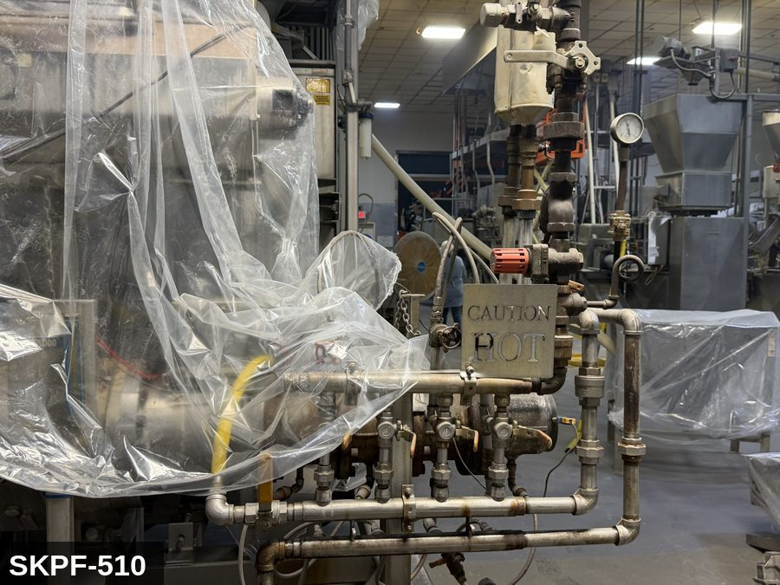 |  |  |  | 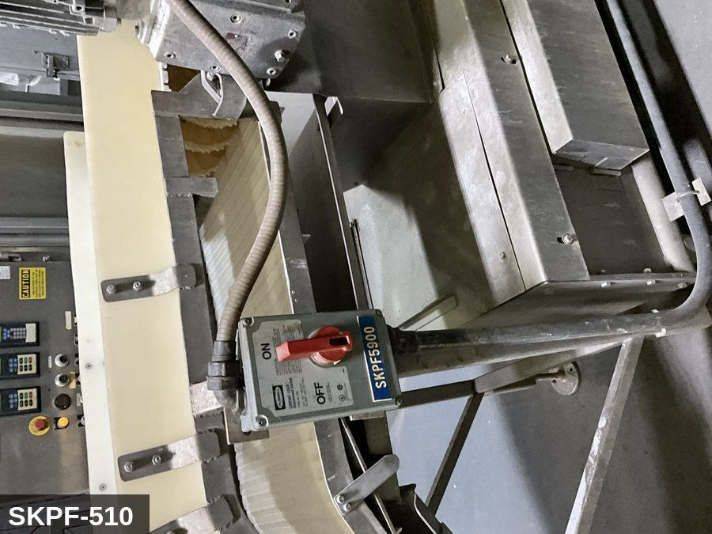

PHOTO OF EQUIPMENT |  |  |  | PHOTO OF ISOLATION / DISCONNECT
Energy Tag & Description | Isolation Procedure & Lockout Devices |  |  |  | Method of Verification
M — Mechanical ISOLATE ENERGY TAG & DESCRIPTION — M: MECHANICAL (M) — Single screw inside the extruder barrel turning at high torque against the product mass. Hot barrel surfaces. Die-face cutter at the discharge with rotating knife blades. EXTREME entanglement and laceration hazard — never reach into the die-face area while the screw can move. | ISOLATION PROCEDURE — MECHANICAL: 1. After electrical isolation per the E procedure, manually verify all rotating/reciprocating components of Angel Puff Extruder #2 (SKPF-510) have completely stopped. 2. Identify residual stored mechanical energy: chain tension, eccentric flywheel/cam momentum, spring-loaded covers and doors. 3. Block, chock, or pin any component that could move under its own weight or stored energy. 4. Where applicable install drive-shaft pins or transmission locks; release belt/chain tension before reaching past the guarding. 5. Apply a lockout tag at the point of mechanical work identifying the worker and the hazard. Cal/OSHA §3314 construes 'minor servicing' narrowly — default to full LOTO including mechanical blocking; do NOT rely solely on the electrical disconnect. |  |  |  | METHOD OF VERIFICATION — MECHANICAL: 1. Visually confirm all rotating and reciprocating components have completely stopped — full coast-down completed. 2. For high-speed servo equipment (case packers, palletizers): wait the manufacturer-specified coast-down before reaching past the guarding. 3. Attempt to manually rotate drive shafts at the input side or jog the system — confirm no movement or kickback. 4. Physically inspect blocks, chocks, or pins for engagement. 5. Confirm belt/chain tension has been released where applicable.

P — Pneumatic ISOLATE ENERGY TAG & DESCRIPTION — P: PNEUMATIC (P) — 80-100 PSI to die-cutter actuator, feeder gate, and barrel-vent valves (where fitted). The barrel itself stores significant residual product pressure even after motor stop — vent before opening any die or clamp. | ISOLATION PROCEDURE — PNEUMATIC: 1. After electrical isolation, locate the pneumatic supply isolation valve serving Angel Puff Extruder #2 (SKPF-510) — typically wall-mounted at the equipment FRL. 2. Close the air supply valve fully. 3. Apply a ball-valve lockout device and a personal padlock in the CLOSED position. 4. Apply a lockout tag. 5. Bleed residual pressure from the system using the dedicated bleed port or by manually cycling the directional control valve. 6. Confirm all cylinders have moved to their de-energized rest position. 7. Per ASME B20.1, any vertically-acting cylinder supporting a load requires an independent mechanical drop-stop in addition to pneumatic isolation. |  |  |  | METHOD OF VERIFICATION — PNEUMATIC: 1. Verify the air supply isolation valve is closed and locked. 2. Confirm all pressure gauges downstream of the lockout valve read 0 PSI. 3. Attempt to cycle each pneumatic actuator from the control panel — confirm no movement. 4. Physically operate the manual override on the directional control valve — confirm no movement. 5. Physically verify all padlocks are secure and tags legible.

E — Electrical ISOLATE ENERGY TAG & DESCRIPTION — E: ELECTRICAL (E) — 480V three-phase to main extruder drive motor (often 100+ HP), feed-screw motor, barrel-heater zones, controls. DC-bus discharge required for VFD enclosure. | ISOLATION PROCEDURE & LOCKOUT DEVICES — ELECTRICAL: 1. Notify all affected employees that LOTO is being performed on Angel Puff Extruder #2 (SKPF-510). 2. Complete the current cycle and press STOP, then E-STOP. 3. Locate the main electrical disconnect serving this equipment (labeled to the equipment). 4. Open the disconnect to the OFF position. 5. Apply a lockout device through the disconnect handle. Each authorized worker applies their own personal padlock (group-lock hasp if more than one worker) per Cal/OSHA §3314(k). 6. Apply a lockout tag with date, time, name, and reason. 7. If the equipment uses servo drives or VFDs, allow 5 minutes for DC-bus capacitors to discharge before opening any drive enclosure. |  |  |  | METHOD OF VERIFICATION — ELECTRICAL: 1. Use a calibrated voltage tester following the test-before-touch protocol per OSHA 1910.333: test the meter on a known live source, test the disconnect line/load terminals, then re-test the meter on the known live source. 2. Verify zero voltage at the motor or servo terminals downstream of the disconnect. 3. For servo drives / VFDs: confirm DC-bus capacitors have discharged (5-minute minimum) before opening drive enclosure. 4. Attempt to start the equipment from the control panel and HMI — confirm no response. 5. Physically verify all padlocks are secure and lockout tags are legible.

LOCKOUT REMOVAL PROCESS
1. Notify all AFFECTED employees that lockout is being removed 2. Inspect the work area to ensure tools and items have been removed 3. Verify that all employees are clear of the equipment 4. Verify that controls are in the neutral or off position |  |  |  | 5. Remove lockout devices, locks, and tags 6. Re-energize the equipment 7. Notify all AFFECTED employees that the equipment is back in service

Spanish translation on reverse — print double-sided.
Signature |  | Date |  | Dept |  |  | See PM Store in PT Folder

PROCEDIMIENTO DE BLOQUEO/ETIQUETADO
[ES] Fecha: 2026-08-29 · Escanee para placa digital
BORRADOR — NO REVISADO · traducción sin revisar
EQUIPO: SKPF-510 (Angel Puff Extruder 2 - Cheese Puff) |  |  |  |  |  | Cheese Puff
¡MANTÉNGASE ALEJADO! VOLTAJE PELIGROSO Y PIEZAS EN MOVIMIENTO
Este equipo debe bloquearse y etiquetarse antes de darle servicio o mantenimiento. Siga el procedimiento a continuación para aislar todas las fuentes de energía.
PROPÓSITO |  |  |  |  | PROCESO DE APLICACIÓN DE BLOQUEO
Este procedimiento establece los requisitos mínimos para el bloqueo de los dispositivos de aislamiento de energía. Garantiza que el equipo se detenga, se aísle de todas las fuentes de energía potencialmente peligrosas y se bloquee antes de realizar actividades de servicio o mantenimiento. |  |  |  |  | 1. Comunicar a todos los empleados AFECTADOS 2. Apagar el equipo usando procedimientos normales de parada 3. Aislar las fuentes de energía 4. Aplicar dispositivos de bloqueo, candados y etiquetas 5. Liberar toda la energía almacenada 6. Verificar que el equipo esté desenergizado intentando arrancarlo 7. Después de la prueba, colocar los controles en posición neutral

CÓDIGOS DE COLOR
E = Eléctrico | G = Gas |  | H = Hidráulico | P = Neumático |  | M = Mecánico |  | T = Térmico
W = Agua | S = Vapor |  | V = Válvula | CG = Gas Comprimido |  | CP = Panel Control |  | GR = Gravedad
IDENTIFICACIÓN DEL EQUIPO Y PROCEDIMIENTO DE AISLAMIENTO DE ENERGÍA

FOTO DEL EQUIPO |  |  |  | FOTO DE AISLAMIENTO / DESCONEXIÓN
Etiqueta y Descripción | Procedimiento de Aislamiento y Dispositivos |  |  |  | Método de Verificación
M — Mecánico AISLAR ETIQUETA DE ENERGÍA Y DESCRIPCIÓN — M: MECÁNICO (M) — Tornillo único dentro del barril del extrusor girando con alto par de torsión contra la masa de producto. Superficies calientes del barril. Cuchilla rotatoria en la cara del dado en la descarga. Peligro EXTREMO de atrapamiento y laceración — nunca alcance el área del dado mientras el tornillo pueda moverse. | PROCEDIMIENTO DE AISLAMIENTO — MECÁNICO: 1. Después del aislamiento eléctrico per el procedimiento E, verifique manualmente que todos los componentes rotativos/reciprocantes de Angel Puff Extruder #2 (SKPF-510) hayan parado completamente. 2. Identifique energía mecánica almacenada residual: tensión de cadena, inercia excéntrica de volante/leva, cubiertas y puertas accionadas por resorte. 3. Bloquee, calce o pase pasadores a cualquier componente que pudiera moverse por su propio peso o energía almacenada. 4. Donde aplique, instale pasadores en el eje de impulsión o bloqueos de transmisión; libere la tensión de banda/cadena antes de alcanzar más allá del guardado. 5. Aplique etiqueta de bloqueo en el punto de trabajo mecánico identificando al trabajador y al peligro. Cal/OSHA §3314 interpreta la excepción de "servicio menor" en forma estrecha — por defecto LOTO completo incluyendo bloqueo mecánico; NO confíe únicamente en el desconectador eléctrico. |  |  |  | MÉTODO DE VERIFICACIÓN — MECÁNICO: 1. Confirme visualmente que todos los componentes rotativos y reciprocantes han parado por completo — desaceleración completa concluida. 2. Para equipo servo de alta velocidad (empacadoras de cajas, paletizadores): espere la desaceleración especificada por el fabricante antes de alcanzar más allá del guardado. 3. Intente girar manualmente los ejes de impulsión en el lado de entrada o impulsar el sistema — confirme que no hay movimiento ni retroceso. 4. Inspeccione físicamente los bloques, calzas o pasadores en su acoplamiento. 5. Confirme que la tensión de banda/cadena ha sido liberada donde aplique.

P — Neumático AISLAR ETIQUETA DE ENERGÍA Y DESCRIPCIÓN — P: NEUMÁTICO (P) — 80-100 PSI al actuador de cuchilla del dado, compuerta del alimentador y válvulas de venteo del barril (cuando están equipadas). El barril mismo almacena presión residual significativa del producto incluso después de parar el motor — ventee antes de abrir cualquier dado o abrazadera. | PROCEDIMIENTO DE AISLAMIENTO — NEUMÁTICO: 1. Después del aislamiento eléctrico, localice la válvula de aislamiento del suministro neumático que sirve a Angel Puff Extruder #2 (SKPF-510) — típicamente montada en pared en el FRL del equipo. 2. Cierre la válvula de suministro de aire por completo. 3. Aplique un dispositivo de bloqueo de válvula de bola y un candado personal en la posición CERRADA. 4. Aplique etiqueta de bloqueo. 5. Purgue la presión residual del sistema usando el puerto de purga dedicado o ciclando manualmente la válvula direccional de control. 6. Confirme que todos los cilindros se han movido a su posición de reposo desenergizado. 7. Per ASME B20.1, cualquier cilindro de acción vertical que soporta una carga requiere un tope mecánico anti-caída independiente además del aislamiento neumático. |  |  |  | MÉTODO DE VERIFICACIÓN — NEUMÁTICO: 1. Verifique que la válvula de aislamiento de suministro de aire está cerrada y bloqueada. 2. Confirme que todos los manómetros aguas abajo de la válvula de bloqueo marcan 0 PSI. 3. Intente ciclar cada actuador neumático desde el panel de control — confirme que no hay movimiento. 4. Opere físicamente la anulación manual en la válvula direccional de control — confirme que no hay movimiento. 5. Verifique físicamente que todos los candados estén seguros y las etiquetas sean legibles.

E — Eléctrico AISLAR ETIQUETA DE ENERGÍA Y DESCRIPCIÓN — E: ELÉCTRICO (E) — 480V trifásico al motor principal del extrusor (a menudo 100+ HP), motor del tornillo alimentador, zonas calefactoras del barril, controles. Se requiere descarga del bus DC para el gabinete del VFD. | PROCEDIMIENTO DE AISLAMIENTO Y DISPOSITIVOS DE BLOQUEO — ELÉCTRICO: 1. Notifique a todos los empleados afectados que se está realizando LOTO en Angel Puff Extruder #2 (SKPF-510). 2. Complete el ciclo actual y presione PARO, luego PARO DE EMERGENCIA. 3. Localice el desconectador eléctrico principal que sirve este equipo (etiquetado al equipo). 4. Abra el desconectador a la posición OFF. 5. Aplique un dispositivo de bloqueo a través de la manija del desconectador. Cada trabajador autorizado aplica su propio candado personal (broche de candado grupal si hay más de un trabajador) per Cal/OSHA §3314(k). 6. Aplique etiqueta de bloqueo con fecha, hora, nombre y razón. 7. Si el equipo usa servo-drives o VFDs, permita 5 minutos para que los capacitores del bus DC se descarguen antes de abrir cualquier gabinete de drive. |  |  |  | MÉTODO DE VERIFICACIÓN — ELÉCTRICO: 1. Use un comprobador de voltaje calibrado siguiendo el protocolo "probar antes de tocar" per OSHA 1910.333: pruebe el medidor en una fuente viva conocida, pruebe los terminales de línea/carga del desconectador, luego re-pruebe el medidor en la fuente viva conocida. 2. Verifique cero voltaje en los terminales del motor o servo aguas abajo del desconectador. 3. Para servo-drives / VFDs: confirme que los capacitores del bus DC se han descargado (5 minutos mínimo) antes de abrir el gabinete del drive. 4. Intente arrancar el equipo desde el panel de control y HMI — confirme que no hay respuesta. 5. Verifique físicamente que todos los candados estén seguros y las etiquetas de bloqueo sean legibles.

PROCESO DE REMOCIÓN DE BLOQUEO
1. Notificar a todos los empleados AFECTADOS que se está retirando el bloqueo 2. Inspeccionar el área de trabajo para asegurar que se hayan retirado herramientas y objetos 3. Verificar que todos los empleados estén lejos del equipo 4. Verificar que los controles estén en posición neutral o apagada |  |  |  | 5. Retirar los dispositivos de bloqueo, candados y etiquetas 6. Volver a energizar el equipo 7. Notificar a los empleados AFECTADOS que el equipo está de vuelta en servicio

Traducción al inglés al reverso — imprimir a doble cara.
Firma |  | Fecha |  | Depto |  |  | Ver PM Store en carpeta PT

LOCKOUT/TAGOUT PROCEDURE
[EN] Date: 2026-08-29 · Scan for digital placard
EQUIPMENT: SKPF-520 (Angel Puff Extruder 3 - Cheese Puff) |  |  |  |  |  | Cheese Puff
KEEP OUT! HAZARDOUS VOLTAGE AND MOVING PARTS
PHOTO_UPGRADE 2026-05-13: EQ + IP upgraded from generic extruder canonical to machine-specific SKPF5200 photos.
PURPOSE |  |  |  |  | LOCKOUT APPLICATION PROCESS
This procedure establishes the minimum requirements for lockout of energy-isolating devices. It ensures equipment is stopped, isolated from all potentially hazardous energy sources, and locked out before any servicing or maintenance activities are performed. |  |  |  |  | 1. Communicate to all AFFECTED employees 2. Shut down the equipment using normal stopping procedures 3. Isolate energy sources 4. Apply lockout devices, locks, and tags 5. Release all stored energy 6. Verify equipment is de-energized by attempting to start up 7. After test, place controls in a neutral position

COLOR CODES
E = Electrical | G = Gas |  | H = Hydraulic | P = Pneumatic |  | M = Mechanical |  | T = Thermal
W = Water | S = Steam |  | V = Valve | CG = Compressed Gas |  | CP = Control Panel |  | GR = Gravity
EQUIPMENT IDENTIFICATION AND ENERGY ISOLATION PROCEDURE
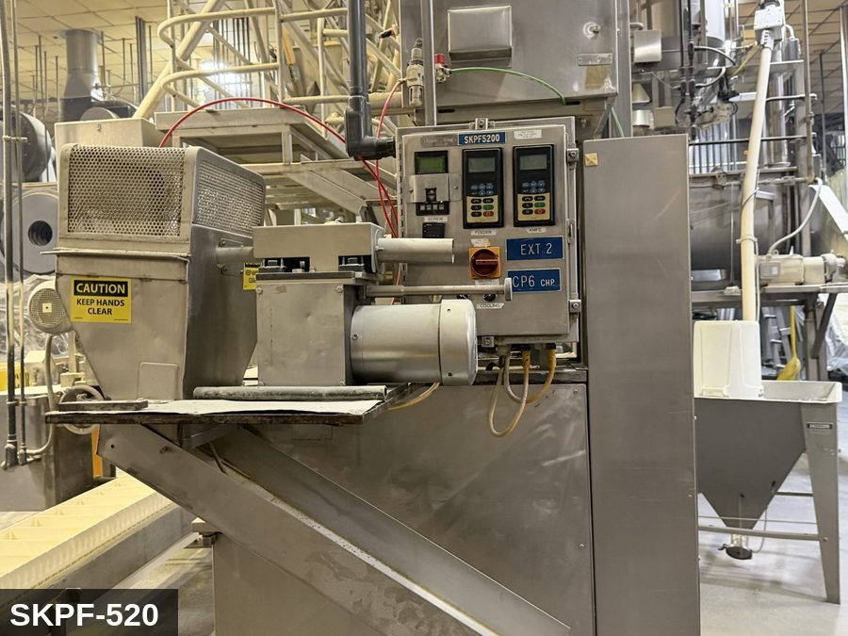 |  |  |  | 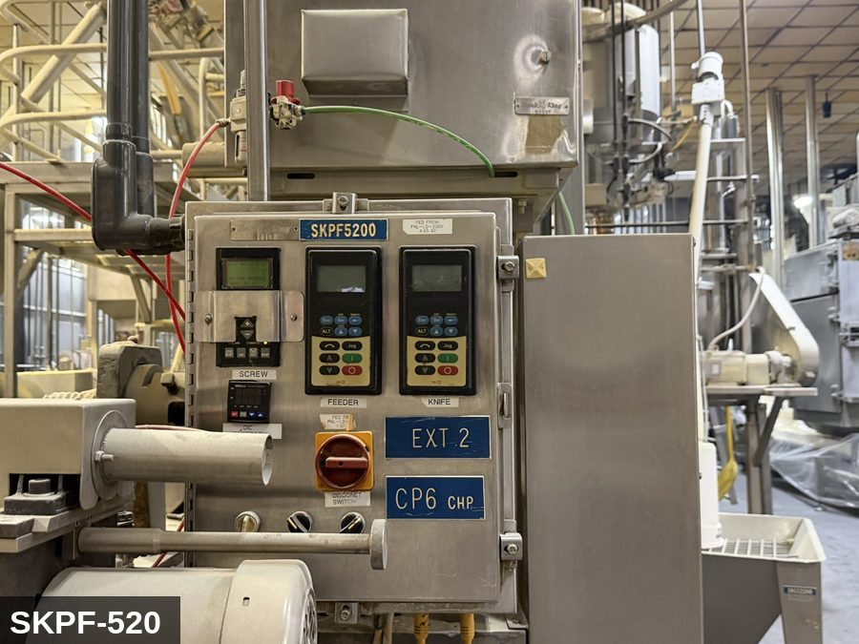

PHOTO OF EQUIPMENT |  |  |  | PHOTO OF ISOLATION / DISCONNECT
Energy Tag & Description | Isolation Procedure & Lockout Devices |  |  |  | Method of Verification
P — Pneumatic ISOLATE ENERGY TAG & DESCRIPTION — P: PNEUMATIC (P) — 80-100 PSI to die-cutter actuator, feeder gate, and barrel-vent valves (where fitted). The barrel itself stores significant residual product pressure even after motor stop — vent before opening any die or clamp. | ISOLATION PROCEDURE — PNEUMATIC: 1. After electrical isolation, locate the pneumatic supply isolation valve serving Angel Puff Extruder #3 (SKPF-520) — typically wall-mounted at the equipment FRL. 2. Close the air supply valve fully. 3. Apply a ball-valve lockout device and a personal padlock in the CLOSED position. 4. Apply a lockout tag. 5. Bleed residual pressure from the system using the dedicated bleed port or by manually cycling the directional control valve. 6. Confirm all cylinders have moved to their de-energized rest position. 7. Per ASME B20.1, any vertically-acting cylinder supporting a load requires an independent mechanical drop-stop in addition to pneumatic isolation. |  |  |  | METHOD OF VERIFICATION — PNEUMATIC: 1. Verify the air supply isolation valve is closed and locked. 2. Confirm all pressure gauges downstream of the lockout valve read 0 PSI. 3. Attempt to cycle each pneumatic actuator from the control panel — confirm no movement. 4. Physically operate the manual override on the directional control valve — confirm no movement. 5. Physically verify all padlocks are secure and tags legible.

E — Electrical ISOLATE ENERGY TAG & DESCRIPTION — E: ELECTRICAL (E) — 480V three-phase to main extruder drive motor (often 100+ HP), feed-screw motor, barrel-heater zones, controls. DC-bus discharge required for VFD enclosure. | ISOLATION PROCEDURE & LOCKOUT DEVICES — ELECTRICAL: 1. Notify all affected employees that LOTO is being performed on Angel Puff Extruder #3 (SKPF-520). 2. Complete the current cycle and press STOP, then E-STOP. 3. Locate the main electrical disconnect serving this equipment (labeled to the equipment). 4. Open the disconnect to the OFF position. 5. Apply a lockout device through the disconnect handle. Each authorized worker applies their own personal padlock (group-lock hasp if more than one worker) per Cal/OSHA §3314(k). 6. Apply a lockout tag with date, time, name, and reason. 7. If the equipment uses servo drives or VFDs, allow 5 minutes for DC-bus capacitors to discharge before opening any drive enclosure. |  |  |  | METHOD OF VERIFICATION — ELECTRICAL: 1. Use a calibrated voltage tester following the test-before-touch protocol per OSHA 1910.333: test the meter on a known live source, test the disconnect line/load terminals, then re-test the meter on the known live source. 2. Verify zero voltage at the motor or servo terminals downstream of the disconnect. 3. For servo drives / VFDs: confirm DC-bus capacitors have discharged (5-minute minimum) before opening drive enclosure. 4. Attempt to start the equipment from the control panel and HMI — confirm no response. 5. Physically verify all padlocks are secure and lockout tags are legible.

M — Mechanical ISOLATE ENERGY TAG & DESCRIPTION — M: MECHANICAL (M) — Single screw inside the extruder barrel turning at high torque against the product mass. Hot barrel surfaces. Die-face cutter at the discharge with rotating knife blades. EXTREME entanglement and laceration hazard — never reach into the die-face area while the screw can move. | ISOLATION PROCEDURE — MECHANICAL: 1. After electrical isolation per the E procedure, manually verify all rotating/reciprocating components of Angel Puff Extruder #3 (SKPF-520) have completely stopped. 2. Identify residual stored mechanical energy: chain tension, eccentric flywheel/cam momentum, spring-loaded covers and doors. 3. Block, chock, or pin any component that could move under its own weight or stored energy. 4. Where applicable install drive-shaft pins or transmission locks; release belt/chain tension before reaching past the guarding. 5. Apply a lockout tag at the point of mechanical work identifying the worker and the hazard. Cal/OSHA §3314 construes 'minor servicing' narrowly — default to full LOTO including mechanical blocking; do NOT rely solely on the electrical disconnect. |  |  |  | METHOD OF VERIFICATION — MECHANICAL: 1. Visually confirm all rotating and reciprocating components have completely stopped — full coast-down completed. 2. For high-speed servo equipment (case packers, palletizers): wait the manufacturer-specified coast-down before reaching past the guarding. 3. Attempt to manually rotate drive shafts at the input side or jog the system — confirm no movement or kickback. 4. Physically inspect blocks, chocks, or pins for engagement. 5. Confirm belt/chain tension has been released where applicable.

LOCKOUT REMOVAL PROCESS
1. Notify all AFFECTED employees that lockout is being removed 2. Inspect the work area to ensure tools and items have been removed 3. Verify that all employees are clear of the equipment 4. Verify that controls are in the neutral or off position |  |  |  | 5. Remove lockout devices, locks, and tags 6. Re-energize the equipment 7. Notify all AFFECTED employees that the equipment is back in service

Spanish translation on reverse — print double-sided.
Signature |  | Date |  | Dept |  |  | See PM Store in PT Folder

PROCEDIMIENTO DE BLOQUEO/ETIQUETADO
[ES] Fecha: 2026-08-29 · Escanee para placa digital
BORRADOR — NO REVISADO · traducción sin revisar
EQUIPO: SKPF-520 (Angel Puff Extruder 3 - Cheese Puff) |  |  |  |  |  | Cheese Puff
¡MANTÉNGASE ALEJADO! VOLTAJE PELIGROSO Y PIEZAS EN MOVIMIENTO
PHOTO_UPGRADE 2026-05-13: EQ + IP upgraded from generic extruder canonical to machine-specific SKPF5200 photos.
PROPÓSITO |  |  |  |  | PROCESO DE APLICACIÓN DE BLOQUEO
Este procedimiento establece los requisitos mínimos para el bloqueo de los dispositivos de aislamiento de energía. Garantiza que el equipo se detenga, se aísle de todas las fuentes de energía potencialmente peligrosas y se bloquee antes de realizar actividades de servicio o mantenimiento. |  |  |  |  | 1. Comunicar a todos los empleados AFECTADOS 2. Apagar el equipo usando procedimientos normales de parada 3. Aislar las fuentes de energía 4. Aplicar dispositivos de bloqueo, candados y etiquetas 5. Liberar toda la energía almacenada 6. Verificar que el equipo esté desenergizado intentando arrancarlo 7. Después de la prueba, colocar los controles en posición neutral

CÓDIGOS DE COLOR
E = Eléctrico | G = Gas |  | H = Hidráulico | P = Neumático |  | M = Mecánico |  | T = Térmico
W = Agua | S = Vapor |  | V = Válvula | CG = Gas Comprimido |  | CP = Panel Control |  | GR = Gravedad
IDENTIFICACIÓN DEL EQUIPO Y PROCEDIMIENTO DE AISLAMIENTO DE ENERGÍA

FOTO DEL EQUIPO |  |  |  | FOTO DE AISLAMIENTO / DESCONEXIÓN
Etiqueta y Descripción | Procedimiento de Aislamiento y Dispositivos |  |  |  | Método de Verificación
P — Neumático AISLAR ETIQUETA DE ENERGÍA Y DESCRIPCIÓN — P: NEUMÁTICO (P) — 80-100 PSI al actuador de cuchilla del dado, compuerta del alimentador y válvulas de venteo del barril (cuando están equipadas). El barril mismo almacena presión residual significativa del producto incluso después de parar el motor — ventee antes de abrir cualquier dado o abrazadera. | PROCEDIMIENTO DE AISLAMIENTO — NEUMÁTICO: 1. Después del aislamiento eléctrico, localice la válvula de aislamiento del suministro neumático que sirve a Angel Puff Extruder #3 (SKPF-520) — típicamente montada en pared en el FRL del equipo. 2. Cierre la válvula de suministro de aire por completo. 3. Aplique un dispositivo de bloqueo de válvula de bola y un candado personal en la posición CERRADA. 4. Aplique etiqueta de bloqueo. 5. Purgue la presión residual del sistema usando el puerto de purga dedicado o ciclando manualmente la válvula direccional de control. 6. Confirme que todos los cilindros se han movido a su posición de reposo desenergizado. 7. Per ASME B20.1, cualquier cilindro de acción vertical que soporta una carga requiere un tope mecánico anti-caída independiente además del aislamiento neumático. |  |  |  | MÉTODO DE VERIFICACIÓN — NEUMÁTICO: 1. Verifique que la válvula de aislamiento de suministro de aire está cerrada y bloqueada. 2. Confirme que todos los manómetros aguas abajo de la válvula de bloqueo marcan 0 PSI. 3. Intente ciclar cada actuador neumático desde el panel de control — confirme que no hay movimiento. 4. Opere físicamente la anulación manual en la válvula direccional de control — confirme que no hay movimiento. 5. Verifique físicamente que todos los candados estén seguros y las etiquetas sean legibles.
...
COLOR CODES
E = Electrical | G = Gas |  | H = Hydraulic | P = Pneumatic |  | M = Mechanical |  | T = Thermal
W = Water | S = Steam |  | V = Valve | CG = Compressed Gas |  | CP = Control Panel |  | GR = Gravity
EQUIPMENT IDENTIFICATION AND ENERGY ISOLATION PROCEDURE
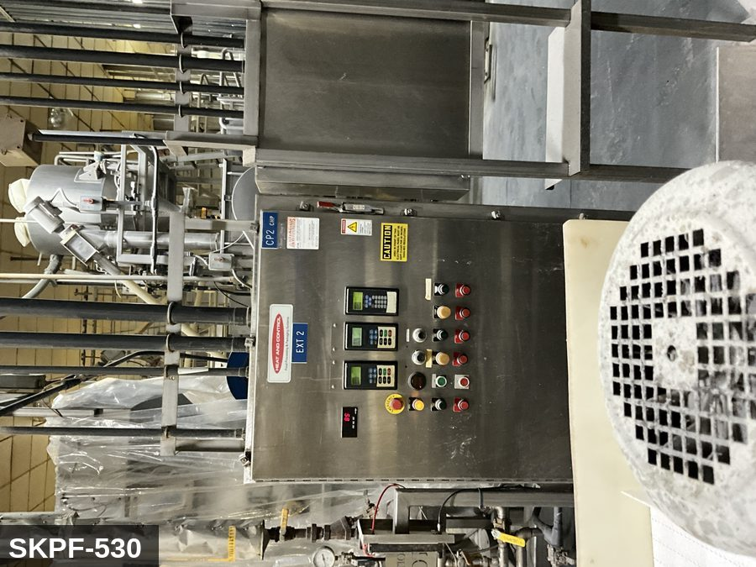 |  |  |  | 
...
COLOR CODES
E = Electrical | G = Gas |  | H = Hydraulic | P = Pneumatic |  | M = Mechanical |  | T = Thermal
W = Water | S = Steam |  | V = Valve | CG = Compressed Gas |  | CP = Control Panel |  | GR = Gravity
EQUIPMENT IDENTIFICATION AND ENERGY ISOLATION PROCEDURE
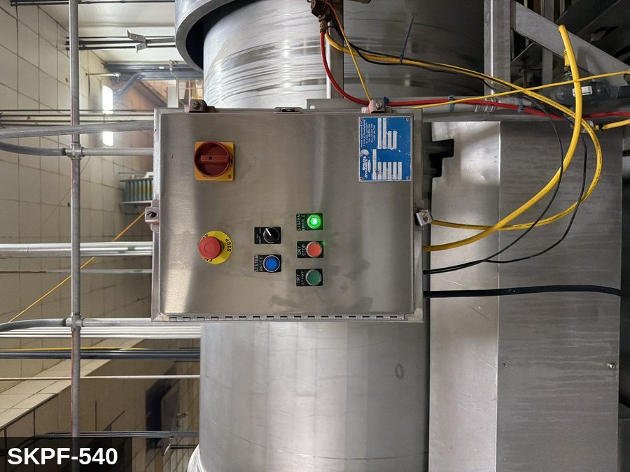 |  |  |  | 
...
COLOR CODES
E = Electrical | G = Gas |  | H = Hydraulic | P = Pneumatic |  | M = Mechanical |  | T = Thermal
W = Water | S = Steam |  | V = Valve | CG = Compressed Gas |  | CP = Control Panel |  | GR = Gravity
EQUIPMENT IDENTIFICATION AND ENERGY ISOLATION PROCEDURE
 |  |  |  | 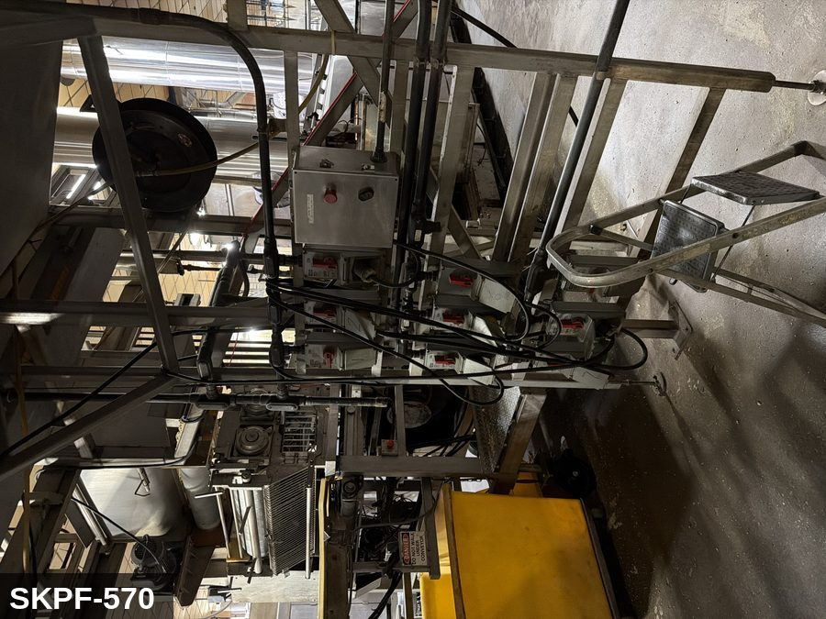
...
COLOR CODES
E = Electrical | G = Gas |  | H = Hydraulic | P = Pneumatic |  | M = Mechanical |  | T = Thermal
W = Water | S = Steam |  | V = Valve | CG = Compressed Gas |  | CP = Control Panel |  | GR = Gravity
EQUIPMENT IDENTIFICATION AND ENERGY ISOLATION PROCEDURE
 |  |  |  | 
...
COLOR CODES
E = Electrical | G = Gas |  | H = Hydraulic | P = Pneumatic |  | M = Mechanical |  | T = Thermal
W = Water | S = Steam |  | V = Valve | CG = Compressed Gas |  | CP = Control Panel |  | GR = Gravity
EQUIPMENT IDENTIFICATION AND ENERGY ISOLATION PROCEDURE
 |  |  |  | 
...
COLOR CODES
E = Electrical | G = Gas |  | H = Hydraulic | P = Pneumatic |  | M = Mechanical |  | T = Thermal
W = Water | S = Steam |  | V = Valve | CG = Compressed Gas |  | CP = Control Panel |  | GR = Gravity
EQUIPMENT IDENTIFICATION AND ENERGY ISOLATION PROCEDURE
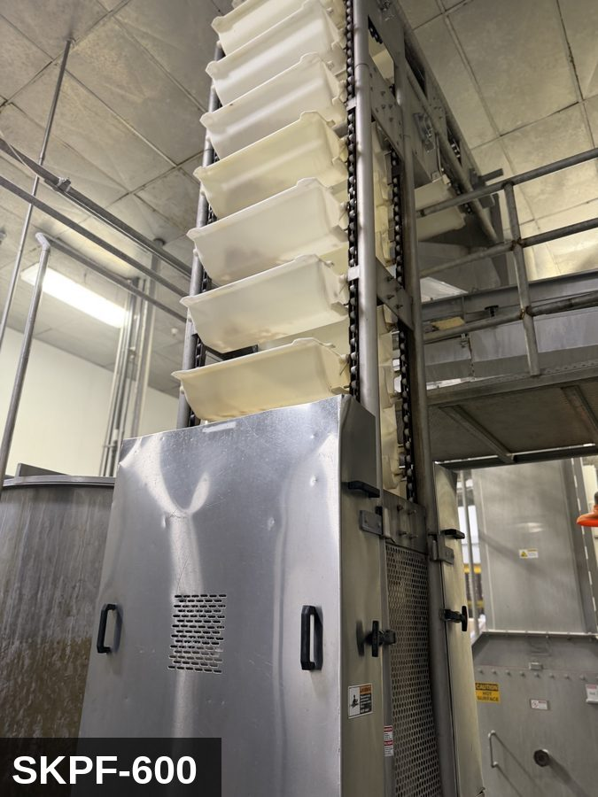 |  |  |  | 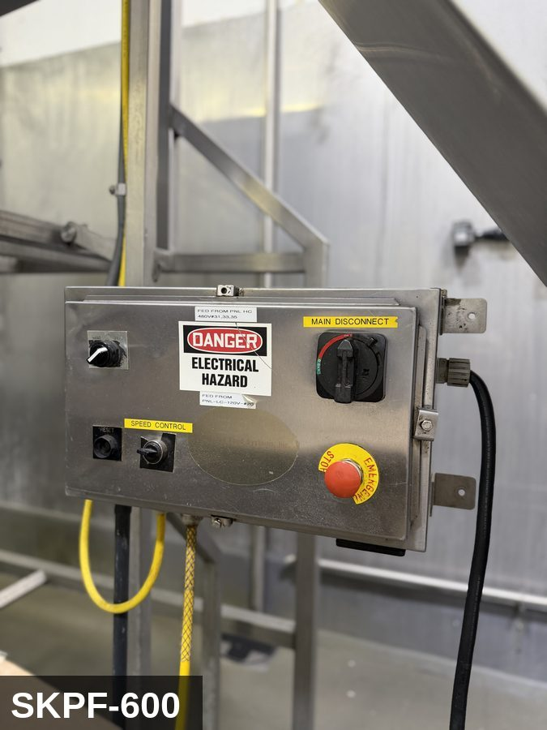
...
COLOR CODES
E = Electrical | G = Gas |  | H = Hydraulic | P = Pneumatic |  | M = Mechanical |  | T = Thermal
W = Water | S = Steam |  | V = Valve | CG = Compressed Gas |  | CP = Control Panel |  | GR = Gravity
EQUIPMENT IDENTIFICATION AND ENERGY ISOLATION PROCEDURE
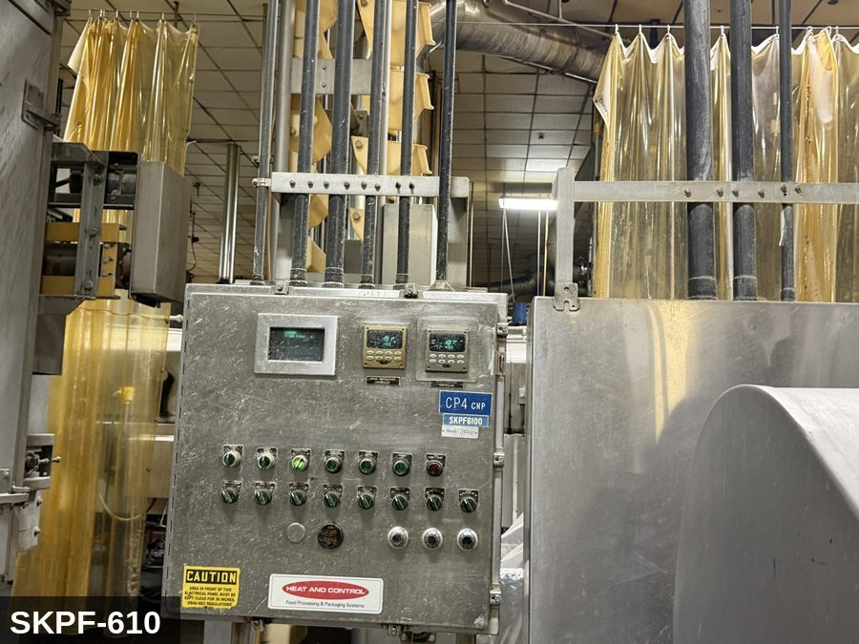 |  |  |  | 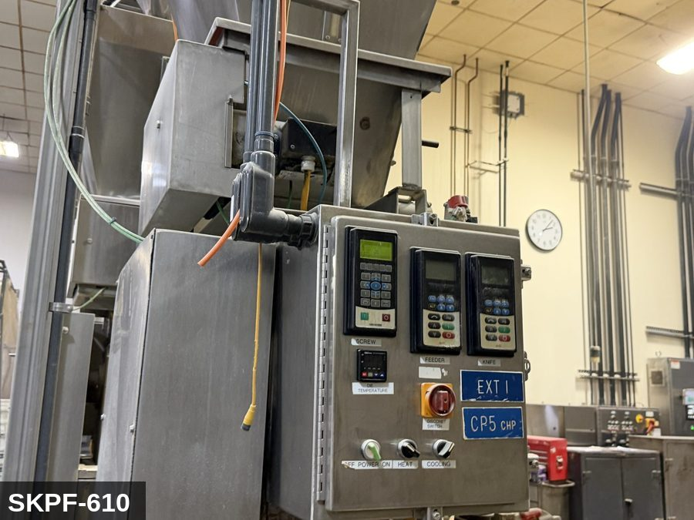
...
COLOR CODES
E = Electrical | G = Gas |  | H = Hydraulic | P = Pneumatic |  | M = Mechanical |  | T = Thermal
W = Water | S = Steam |  | V = Valve | CG = Compressed Gas |  | CP = Control Panel |  | GR = Gravity
EQUIPMENT IDENTIFICATION AND ENERGY ISOLATION PROCEDURE
 |  |  |  | 
...
COLOR CODES
E = Electrical | G = Gas |  | H = Hydraulic | P = Pneumatic |  | M = Mechanical |  | T = Thermal
W = Water | S = Steam |  | V = Valve | CG = Compressed Gas |  | CP = Control Panel |  | GR = Gravity
EQUIPMENT IDENTIFICATION AND ENERGY ISOLATION PROCEDURE
 |  |  |  | 
...
COLOR CODES
E = Electrical | G = Gas |  | H = Hydraulic | P = Pneumatic |  | M = Mechanical |  | T = Thermal
W = Water | S = Steam |  | V = Valve | CG = Compressed Gas |  | CP = Control Panel |  | GR = Gravity
EQUIPMENT IDENTIFICATION AND ENERGY ISOLATION PROCEDURE
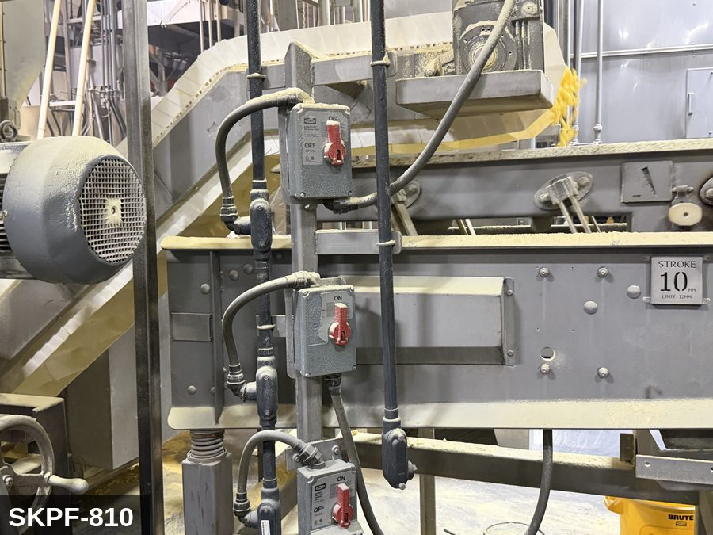 |  |  |  | 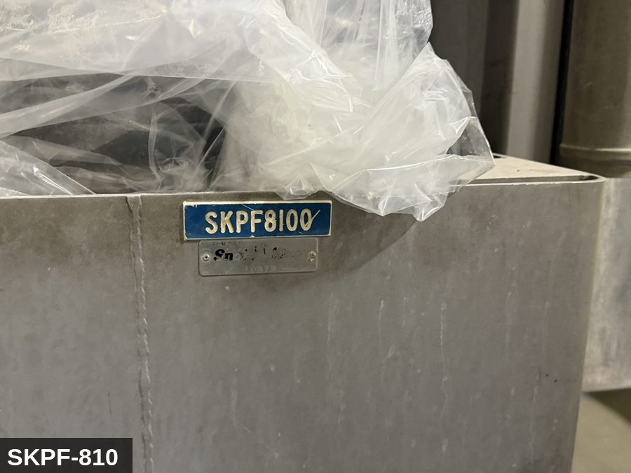
...
COLOR CODES
E = Electrical | G = Gas |  | H = Hydraulic | P = Pneumatic |  | M = Mechanical |  | T = Thermal
W = Water | S = Steam |  | V = Valve | CG = Compressed Gas |  | CP = Control Panel |  | GR = Gravity
EQUIPMENT IDENTIFICATION AND ENERGY ISOLATION PROCEDURE
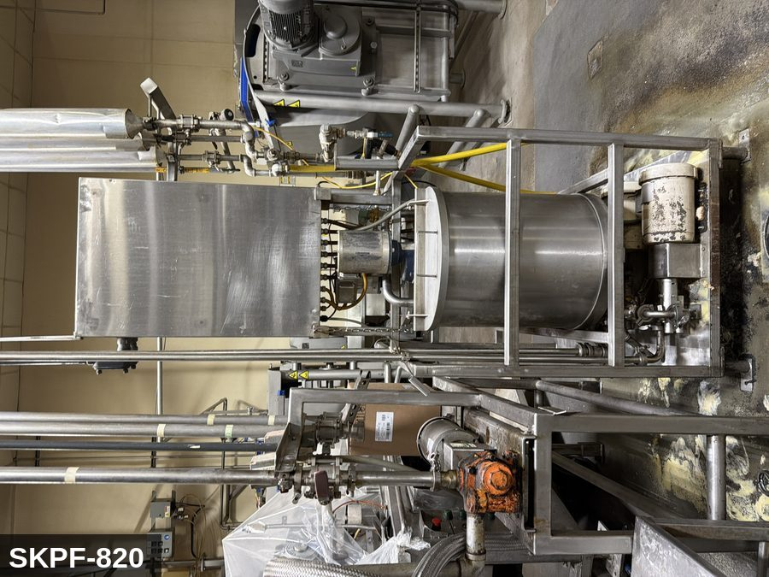 |  |  |  | 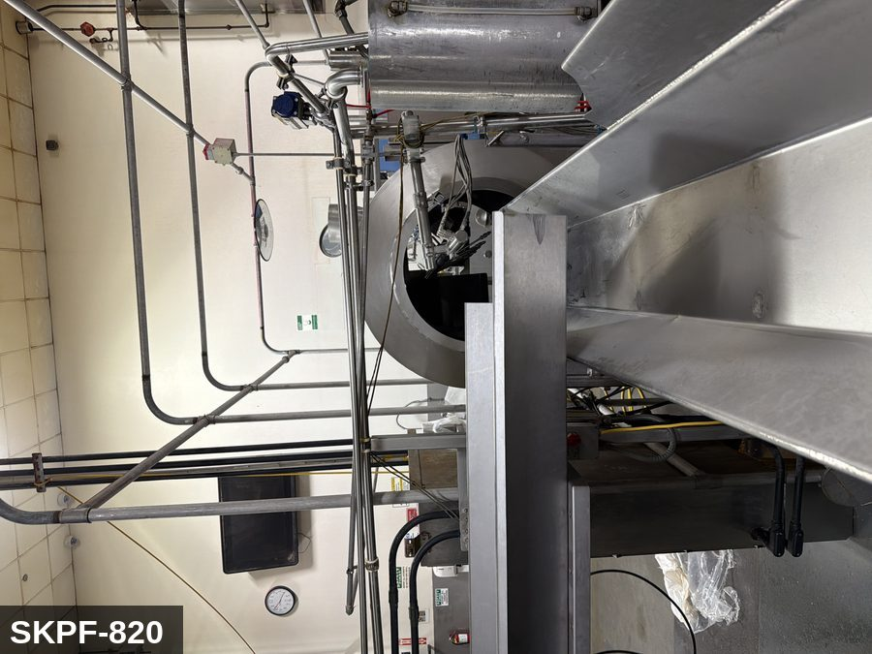
...
COLOR CODES
E = Electrical | G = Gas |  | H = Hydraulic | P = Pneumatic |  | M = Mechanical |  | T = Thermal
W = Water | S = Steam |  | V = Valve | CG = Compressed Gas |  | CP = Control Panel |  | GR = Gravity
EQUIPMENT IDENTIFICATION AND ENERGY ISOLATION PROCEDURE
 |  |  |  | 
...
COLOR CODES
E = Electrical | G = Gas |  | H = Hydraulic | P = Pneumatic |  | M = Mechanical |  | T = Thermal
W = Water | S = Steam |  | V = Valve | CG = Compressed Gas |  | CP = Control Panel |  | GR = Gravity
EQUIPMENT IDENTIFICATION AND ENERGY ISOLATION PROCEDURE
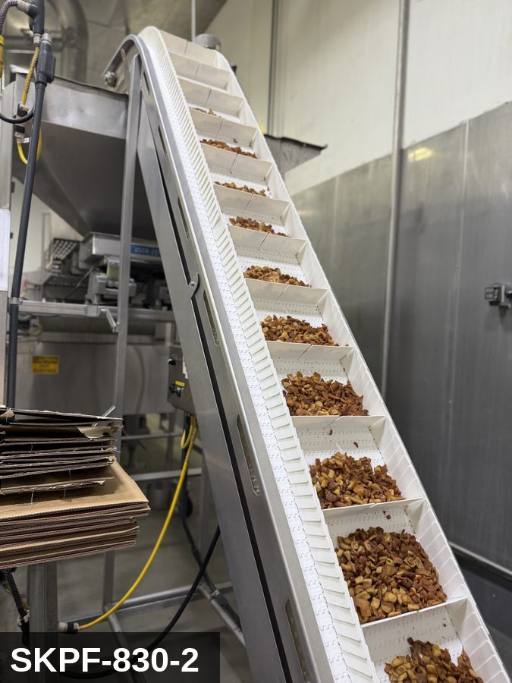 |  |  |  | 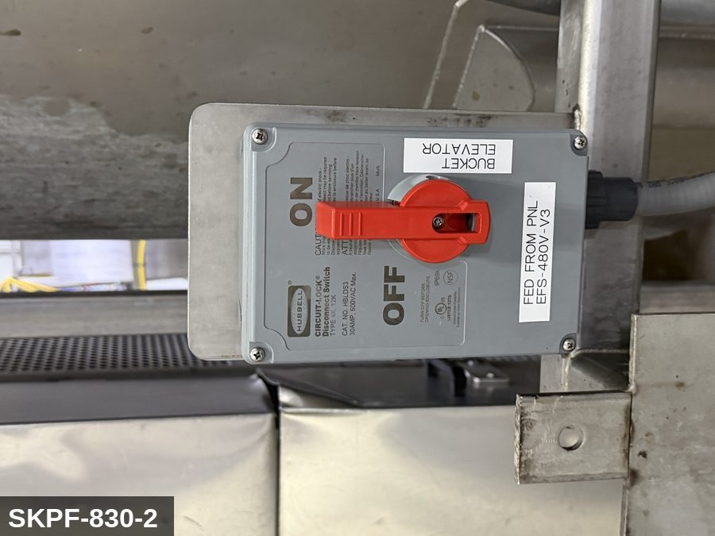
...
COLOR CODES
E = Electrical | G = Gas |  | H = Hydraulic | P = Pneumatic |  | M = Mechanical |  | T = Thermal
W = Water | S = Steam |  | V = Valve | CG = Compressed Gas |  | CP = Control Panel |  | GR = Gravity
EQUIPMENT IDENTIFICATION AND ENERGY ISOLATION PROCEDURE
 |  |  |  | 
...
COLOR CODES
E = Electrical | G = Gas |  | H = Hydraulic | P = Pneumatic |  | M = Mechanical |  | T = Thermal
W = Water | S = Steam |  | V = Valve | CG = Compressed Gas |  | CP = Control Panel |  | GR = Gravity
EQUIPMENT IDENTIFICATION AND ENERGY ISOLATION PROCEDURE
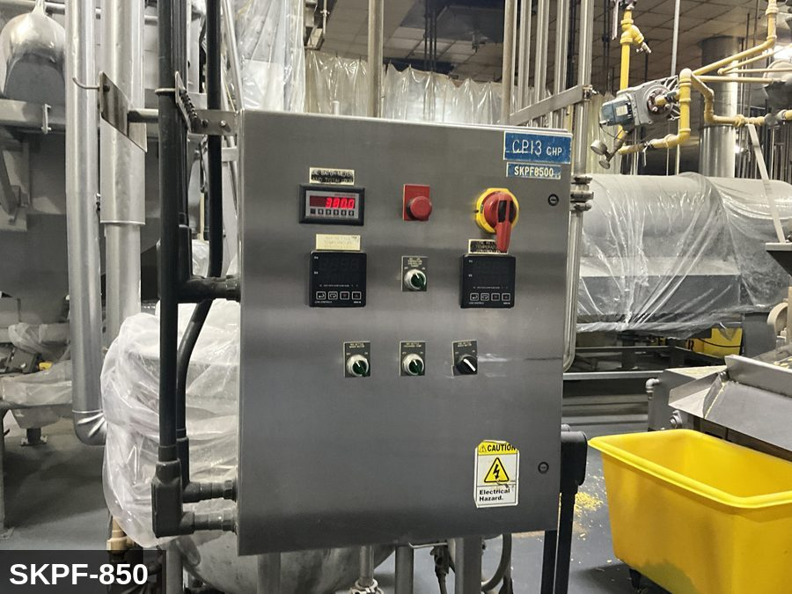 |  |  |  | 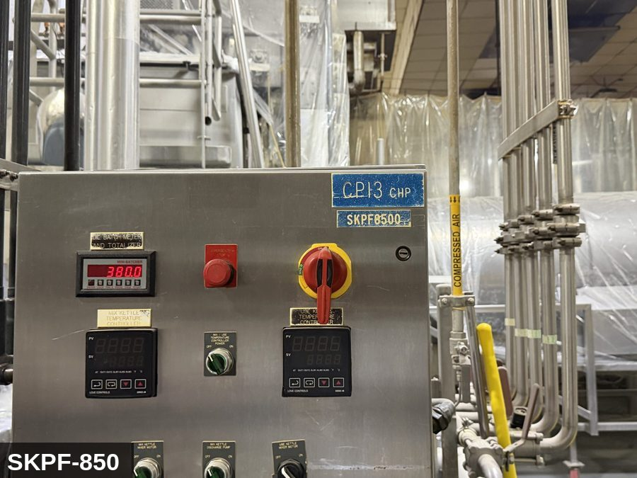
...
COLOR CODES
E = Electrical | G = Gas |  | H = Hydraulic | P = Pneumatic |  | M = Mechanical |  | T = Thermal
W = Water | S = Steam |  | V = Valve | CG = Compressed Gas |  | CP = Control Panel |  | GR = Gravity
EQUIPMENT IDENTIFICATION AND ENERGY ISOLATION PROCEDURE
 |  |  |  | 
...
COLOR CODES
E = Electrical | G = Gas |  | H = Hydraulic | P = Pneumatic |  | M = Mechanical |  | T = Thermal
W = Water | S = Steam |  | V = Valve | CG = Compressed Gas |  | CP = Control Panel |  | GR = Gravity
EQUIPMENT IDENTIFICATION AND ENERGY ISOLATION PROCEDURE
 |  |  |  | 
...

